Figure 1
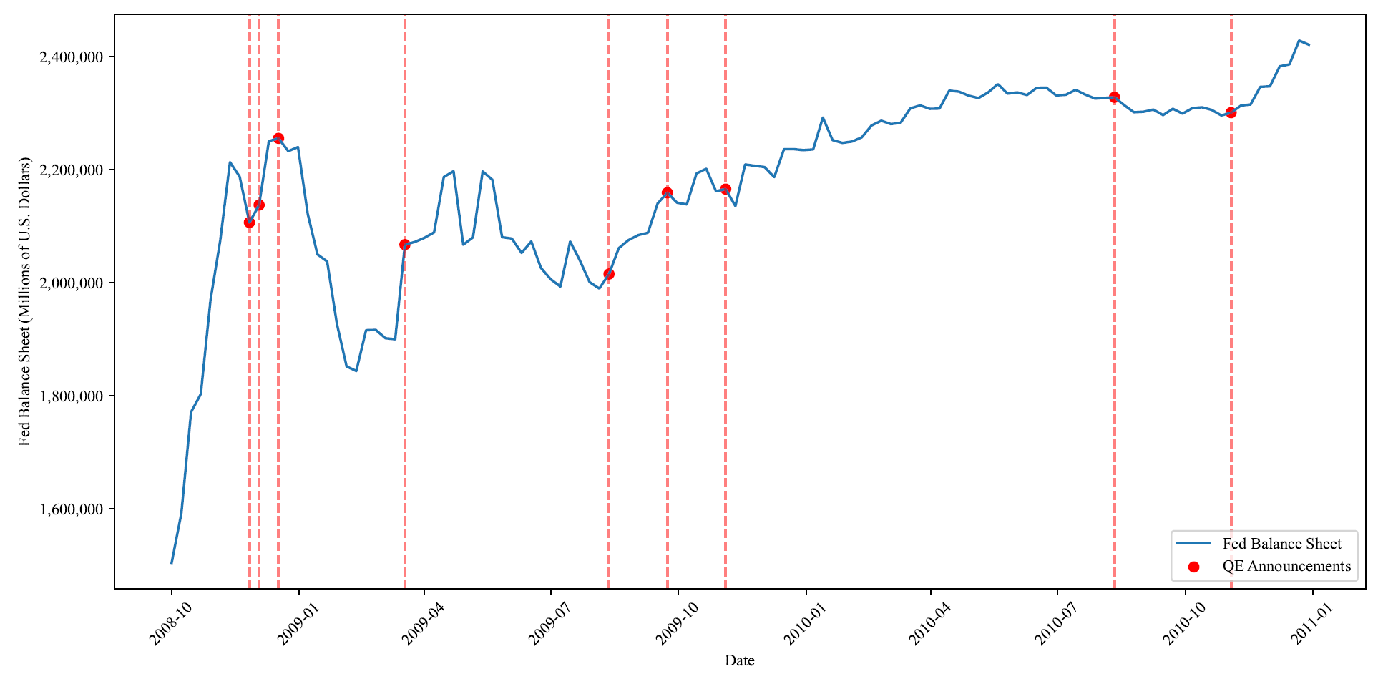
Date | Millions of U.S. Dollars
2002-12-18 | 719542
2002-12-25 | 732059
2003-01-01 | 730994
2003-01-08 | 723762
2003-01-15 | 720074
2003-01-22 | 735953
2003-01-29 | 712809
2003-02-05 | 719643
2003-02-12 | 713281
2003-02-19 | 730400
2003-02-26 | 721980
2003-03-05 | 722649
2003-03-12 | 717014
2003-03-19 | 729923
2003-03-26 | 725019
2003-04-02 | 732452
2003-04-09 | 727826
2003-04-16 | 745838
2003-04-23 | 732222
2003-04-30 | 746294
2003-05-07 | 733466
2003-05-14 | 740371
2003-05-21 | 734699
2003-05-28 | 744896
2003-06-04 | 731667
2003-06-11 | 743236
2003-06-18 | 735926
2003-06-25 | 744018
2003-07-02 | 740126
2003-07-09 | 744430
2003-07-16 | 737765
2003-07-23 | 745665
2003-07-30 | 740295
2003-08-06 | 734018
2003-08-13 | 735386
2003-08-20 | 750825
2003-08-27 | 740637
2003-09-03 | 750461
2003-09-10 | 737234
2003-09-17 | 743939
2003-09-24 | 741193
2003-10-01 | 753155
2003-10-08 | 737108
2003-10-15 | 754229
2003-10-22 | 743578
2003-10-29 | 747272
2003-11-05 | 744116
2003-11-12 | 745604
2003-11-19 | 744521
2003-11-26 | 756964
2003-12-03 | 749981
2003-12-10 | 756585
2003-12-17 | 753919
2003-12-24 | 767012
2003-12-31 | 771551
2004-01-07 | 755829
2004-01-14 | 752812
2004-01-21 | 775833
2004-01-28 | 755279
2004-02-04 | 754153
2004-02-11 | 750999
2004-02-18 | 758759
2004-02-25 | 750666
2004-03-03 | 754867
2004-03-10 | 749950
2004-03-17 | 760638
2004-03-24 | 751510
2004-03-31 | 760725
2004-04-07 | 754083
2004-04-14 | 763734
2004-04-21 | 757984
2004-04-28 | 772927
2004-05-05 | 758838
2004-05-12 | 764835
2004-05-19 | 756874
2004-05-26 | 771108
2004-06-02 | 764090
2004-06-09 | 772187
2004-06-16 | 761834
2004-06-23 | 775261
2004-06-30 | 779578
2004-07-07 | 778163
2004-07-14 | 775536
2004-07-21 | 776764
2004-07-28 | 773916
2004-08-04 | 772085
2004-08-11 | 769265
2004-08-18 | 767595
2004-08-25 | 775437
2004-09-01 | 785273
2004-09-08 | 788602
2004-09-15 | 789128
2004-09-22 | 782124
2004-09-29 | 786330
2004-10-06 | 781777
2004-10-13 | 795483
2004-10-20 | 784954
2004-10-27 | 791336
2004-11-03 | 790552
2004-11-10 | 800473
2004-11-17 | 794090
2004-11-24 | 809956
2004-12-01 | 807063
2004-12-08 | 808495
2004-12-15 | 807028
2004-12-22 | 811333
2004-12-29 | 810944
2005-01-05 | 815702
2005-01-12 | 798455
2005-01-19 | 806960
2005-01-26 | 807262
2005-02-02 | 804746
2005-02-09 | 797299
2005-02-16 | 795606
2005-02-23 | 804576
2005-03-02 | 801252
2005-03-09 | 799250
2005-03-16 | 807211
2005-03-23 | 797094
2005-03-30 | 807551
2005-04-06 | 797327
2005-04-13 | 805707
2005-04-20 | 801793
2005-04-27 | 809797
2005-05-04 | 802412
2005-05-11 | 808378
2005-05-18 | 801546
2005-05-25 | 810160
2005-06-01 | 817335
2005-06-08 | 814172
2005-06-15 | 811198
2005-06-22 | 810429
2005-06-29 | 810082
2005-07-06 | 821556
2005-07-13 | 808861
2005-07-20 | 816804
2005-07-27 | 814259
2005-08-03 | 818841
2005-08-10 | 808544
2005-08-17 | 813774
2005-08-24 | 811313
2005-08-31 | 823237
2005-09-07 | 822500
2005-09-14 | 823590
2005-09-21 | 812926
2005-09-28 | 823771
2005-10-05 | 817137
2005-10-12 | 826306
2005-10-19 | 814281
2005-10-26 | 819105
2005-11-02 | 814571
2005-11-09 | 824991
2005-11-16 | 823263
2005-11-23 | 833124
2005-11-30 | 835059
2005-12-07 | 833250
2005-12-14 | 830950
2005-12-21 | 848317
2005-12-28 | 847700
2006-01-04 | 851856
2006-01-11 | 829357
2006-01-18 | 836042
2006-01-25 | 828901
2006-02-01 | 831808
2006-02-08 | 827613
2006-02-15 | 835240
2006-02-22 | 840555
2006-03-01 | 839356
2006-03-08 | 839234
2006-03-15 | 843010
2006-03-22 | 838003
2006-03-29 | 833675
2006-04-05 | 834589
2006-04-12 | 836862
2006-04-19 | 836352
2006-04-26 | 844572
2006-05-03 | 843867
2006-05-10 | 838405
2006-05-17 | 838153
2006-05-24 | 840251
2006-05-31 | 851580
2006-06-07 | 849074
2006-06-14 | 845869
2006-06-21 | 844773
2006-06-28 | 844436
2006-07-05 | 851659
2006-07-12 | 844391
2006-07-19 | 849894
2006-07-26 | 841552
2006-08-02 | 850263
2006-08-09 | 840006
2006-08-16 | 842876
2006-08-23 | 837987
2006-08-30 | 850925
2006-09-06 | 848594
2006-09-13 | 840886
2006-09-20 | 838192
2006-09-27 | 849971
2006-10-04 | 842296
2006-10-11 | 859339
2006-10-18 | 844200
2006-10-25 | 852648
2006-11-01 | 855536
2006-11-08 | 858630
2006-11-15 | 855551
2006-11-22 | 865126
2006-11-29 | 856671
2006-12-06 | 862178
2006-12-13 | 853851
2006-12-20 | 865010
2006-12-27 | 869988
2007-01-03 | 874626
2007-01-10 | 854819
2007-01-17 | 859363
2007-01-24 | 851755
2007-01-31 | 865730
2007-02-07 | 855057
2007-02-14 | 867199
2007-02-21 | 869235
2007-02-28 | 877409
2007-03-07 | 864505
2007-03-14 | 876108
2007-03-21 | 863067
2007-03-28 | 869803
2007-04-04 | 862319
2007-04-11 | 865441
2007-04-18 | 861335
2007-04-25 | 879686
2007-05-02 | 890857
2007-05-09 | 875270
2007-05-16 | 859559
2007-05-23 | 873935
2007-05-30 | 876986
2007-06-06 | 872706
2007-06-13 | 864989
2007-06-20 | 866089
2007-06-27 | 865105
2007-07-04 | 876611
2007-07-11 | 869407
2007-07-18 | 872916
2007-07-25 | 863890
2007-08-01 | 870261
2007-08-08 | 865453
2007-08-15 | 864931
2007-08-22 | 862775
2007-08-29 | 872873
2007-09-05 | 871156
2007-09-12 | 886314
2007-09-19 | 867732
2007-09-26 | 889900
2007-10-03 | 869051
2007-10-10 | 886363
2007-10-17 | 869509
2007-10-24 | 881395
2007-10-31 | 883385
2007-11-07 | 885724
2007-11-14 | 889537
2007-11-21 | 891028
2007-11-28 | 879417
2007-12-05 | 882764
2007-12-12 | 881750
2007-12-19 | 887983
2007-12-26 | 890662
2008-01-02 | 922187
2008-01-09 | 880754
2008-01-16 | 893581
2008-01-23 | 877253
2008-01-30 | 900264
2008-02-06 | 871022
2008-02-13 | 883005
2008-02-20 | 878949
2008-02-27 | 893825
2008-03-05 | 881208
2008-03-12 | 896565
2008-03-19 | 888646
2008-03-26 | 893965
2008-04-02 | 883708
2008-04-09 | 893029
2008-04-16 | 881904
2008-04-23 | 885781
2008-04-30 | 888131
2008-05-07 | 889228
2008-05-14 | 880175
2008-05-21 | 898487
2008-05-28 | 904054
2008-06-04 | 895939
2008-06-11 | 890610
2008-06-18 | 902304
2008-06-25 | 892713
2008-07-02 | 902962
2008-07-09 | 898034
2008-07-16 | 910681
2008-07-23 | 899665
2008-07-30 | 918625
2008-08-06 | 901710
2008-08-13 | 914632
2008-08-20 | 898611
2008-08-27 | 909982
2008-09-03 | 905253
2008-09-10 | 925725
2008-09-17 | 995093
2008-09-24 | 1211825
2008-10-01 | 1503989
2008-10-08 | 1591587
2008-10-15 | 1770809
2008-10-22 | 1802602
2008-10-29 | 1969086
2008-11-05 | 2074205
2008-11-12 | 2212852
2008-11-19 | 2187137
2008-11-26 | 2106117
2008-12-03 | 2136924
2008-12-10 | 2250012
2008-12-17 | 2254983
2008-12-24 | 2232311
2008-12-31 | 2239457
2009-01-07 | 2121439
2009-01-14 | 2049714
2009-01-21 | 2037112
2009-01-28 | 1927082
2009-02-04 | 1851437
2009-02-11 | 1843400
2009-02-18 | 1915562
2009-02-25 | 1916115
2009-03-04 | 1901317
2009-03-11 | 1899514
2009-03-18 | 2066942
2009-03-25 | 2071556
2009-04-01 | 2078936
2009-04-08 | 2088573
2009-04-15 | 2186498
2009-04-22 | 2196812
2009-04-29 | 2066712
2009-05-06 | 2079758
2009-05-13 | 2196351
2009-05-20 | 2181632
2009-05-27 | 2080115
2009-06-03 | 2077695
2009-06-10 | 2052297
2009-06-17 | 2072527
2009-06-24 | 2025571
2009-07-01 | 2005627
2009-07-08 | 1992740
2009-07-15 | 2072451
2009-07-22 | 2039001
2009-07-29 | 2000547
2009-08-05 | 1989203
2009-08-12 | 2014899
2009-08-19 | 2060641
2009-08-26 | 2074902
2009-09-02 | 2083720
2009-09-09 | 2087946
2009-09-16 | 2139783
2009-09-23 | 2158631
2009-09-30 | 2141020
2009-10-07 | 2138086
2009-10-14 | 2192787
2009-10-21 | 2201119
2009-10-28 | 2161537
2009-11-04 | 2165067
2009-11-11 | 2135035
2009-11-18 | 2208721
2009-11-25 | 2206359
2009-12-02 | 2204074
2009-12-09 | 2186383
2009-12-16 | 2235763
2009-12-23 | 2235803
2009-12-30 | 2234067
2010-01-06 | 2235304
2010-01-13 | 2291700
2010-01-20 | 2251806
2010-01-27 | 2246886
2010-02-03 | 2249319
2010-02-10 | 2256679
2010-02-17 | 2277574
2010-02-24 | 2286127
2010-03-03 | 2280147
2010-03-10 | 2282474
2010-03-17 | 2307997
2010-03-24 | 2313149
2010-03-31 | 2307150
2010-04-07 | 2307575
2010-04-14 | 2339345
2010-04-21 | 2337556
2010-04-28 | 2330472
2010-05-05 | 2326164
2010-05-12 | 2336103
2010-05-19 | 2350890
2010-05-26 | 2334041
2010-06-02 | 2336216
2010-06-09 | 2331529
2010-06-16 | 2344316
2010-06-23 | 2344497
2010-06-30 | 2330851
2010-07-07 | 2332017
2010-07-14 | 2340717
2010-07-21 | 2332322
2010-07-28 | 2325298
2010-08-04 | 2326479
2010-08-11 | 2327533
2010-08-18 | 2313662
2010-08-25 | 2301015
2010-09-01 | 2301996
2010-09-08 | 2305802
2010-09-15 | 2296079
2010-09-22 | 2307171
2010-09-29 | 2298691
2010-10-06 | 2308092
2010-10-13 | 2309885
2010-10-20 | 2305227
2010-10-27 | 2295392
2010-11-03 | 2300353
2010-11-10 | 2312768
2010-11-17 | 2314757
2010-11-24 | 2346001
2010-12-01 | 2346920
2010-12-08 | 2382294
2010-12-15 | 2385754
2010-12-22 | 2427921
2010-12-29 | 2420570
2011-01-05 | 2436064
2011-01-12 | 2468131
2011-01-19 | 2425164
2011-01-26 | 2443527
2011-02-02 | 2469419
2011-02-09 | 2500481
2011-02-16 | 2508868
2011-02-23 | 2533221
2011-03-02 | 2545119
2011-03-09 | 2577076
2011-03-16 | 2583046
2011-03-23 | 2601341
2011-03-30 | 2622523
2011-04-06 | 2648676
2011-04-13 | 2665408
2011-04-20 | 2685782
2011-04-27 | 2690985
2011-05-04 | 2718757
2011-05-11 | 2744498
2011-05-18 | 2758009
2011-05-25 | 2774996
2011-06-01 | 2788723
2011-06-08 | 2811206
2011-06-15 | 2827549
2011-06-22 | 2856403
2011-06-29 | 2865251
2011-07-06 | 2870103
2011-07-13 | 2878074
2011-07-20 | 2871301
2011-07-27 | 2863576
2011-08-03 | 2867215
2011-08-10 | 2872423
2011-08-17 | 2857906
2011-08-24 | 2859433
2011-08-31 | 2853888
2011-09-07 | 2858660
2011-09-14 | 2863540
2011-09-21 | 2857747
2011-09-28 | 2850921
2011-10-05 | 2859701
2011-10-12 | 2860822
2011-10-19 | 2852390
2011-10-26 | 2845685
2011-11-02 | 2822034
2011-11-09 | 2839786
2011-11-16 | 2831576
2011-11-23 | 2821980
2011-11-30 | 2814235
2011-12-07 | 2820691
2011-12-14 | 2902488
2011-12-21 | 2916085
2011-12-28 | 2926095
2012-01-04 | 2917689
2012-01-11 | 2899149
2012-01-18 | 2919423
2012-01-25 | 2919545
2012-02-01 | 2924947
2012-02-08 | 2928275
2012-02-15 | 2937893
2012-02-22 | 2932813
2012-02-29 | 2925722
2012-03-07 | 2884747
2012-03-14 | 2893560
2012-03-21 | 2892646
2012-03-28 | 2878137
2012-04-04 | 2865478
2012-04-11 | 2867200
2012-04-18 | 2875470
2012-04-25 | 2866561
2012-05-02 | 2864280
2012-05-09 | 2864150
2012-05-16 | 2850984
2012-05-23 | 2859495
2012-05-30 | 2842654
2012-06-06 | 2852018
2012-06-13 | 2869071
2012-06-20 | 2870846
2012-06-27 | 2863547
2012-07-04 | 2865858
2012-07-11 | 2866279
2012-07-18 | 2855807
2012-07-25 | 2846757
2012-08-01 | 2851118
2012-08-08 | 2856181
2012-08-15 | 2833317
2012-08-22 | 2825661
2012-08-29 | 2812806
2012-09-05 | 2822169
2012-09-12 | 2823448
2012-09-19 | 2821574
2012-09-26 | 2804457
2012-10-03 | 2808512
2012-10-10 | 2811623
2012-10-17 | 2846920
2012-10-24 | 2840964
2012-10-31 | 2823137
2012-11-07 | 2830791
2012-11-14 | 2877244
2012-11-21 | 2871161
2012-11-28 | 2851362
2012-12-05 | 2859807
2012-12-12 | 2917260
2012-12-19 | 2920231
2012-12-26 | 2907300
2013-01-02 | 2917189
2013-01-09 | 2928728
2013-01-16 | 2963812
2013-01-23 | 3011697
2013-01-30 | 3008704
2013-02-06 | 3014975
2013-02-13 | 3074225
2013-02-20 | 3095150
2013-02-27 | 3090600
2013-03-06 | 3108805
2013-03-13 | 3165396
2013-03-20 | 3206888
2013-03-27 | 3202256
2013-04-03 | 3215432
2013-04-10 | 3227762
2013-04-17 | 3295109
2013-04-24 | 3318649
2013-05-01 | 3317194
2013-05-08 | 3324615
2013-05-15 | 3354269
2013-05-22 | 3398713
2013-05-29 | 3385128
2013-06-05 | 3400183
2013-06-12 | 3410842
2013-06-19 | 3470530
2013-06-26 | 3478672
2013-07-03 | 3492742
2013-07-10 | 3504095
2013-07-17 | 3537861
2013-07-24 | 3574574
2013-07-31 | 3571797
2013-08-07 | 3585359
2013-08-14 | 3646323
2013-08-21 | 3645668
2013-08-28 | 3644456
2013-09-04 | 3654182
2013-09-11 | 3662035
2013-09-18 | 3722192
2013-09-25 | 3734018
2013-10-02 | 3747387
2013-10-09 | 3758663
2013-10-16 | 3813599
2013-10-23 | 3839033
2013-10-30 | 3843396
2013-11-06 | 3851623
2013-11-13 | 3907424
2013-11-20 | 3906620
2013-11-27 | 3925876
2013-12-04 | 3932626
2013-12-11 | 3993955
2013-12-18 | 4008062
2013-12-25 | 4032575
2014-01-01 | 4023640
2014-01-08 | 4028185
2014-01-15 | 4071528
2014-01-22 | 4097914
2014-01-29 | 4102138
2014-02-05 | 4109285
2014-02-12 | 4119474
2014-02-19 | 4149224
2014-02-26 | 4159972
2014-03-05 | 4171762
2014-03-12 | 4181361
2014-03-19 | 4222081
2014-03-26 | 4226971
2014-04-02 | 4236441
2014-04-09 | 4244188
2014-04-16 | 4283967
2014-04-23 | 4296339
2014-04-30 | 4296049
2014-05-07 | 4303143
2014-05-14 | 4336649
2014-05-21 | 4327560
2014-05-28 | 4322654
2014-06-04 | 4330917
2014-06-11 | 4340904
2014-06-18 | 4368168
2014-06-25 | 4368348
2014-07-02 | 4377031
2014-07-09 | 4383401
2014-07-16 | 4398201
2014-07-23 | 4410746
2014-07-30 | 4406637
2014-08-06 | 4410111
2014-08-13 | 4431923
2014-08-20 | 4412924
2014-08-27 | 4413736
2014-09-03 | 4415587
2014-09-10 | 4421408
2014-09-17 | 4449588
2014-09-24 | 4459050
2014-10-01 | 4450260
2014-10-08 | 4455403
2014-10-15 | 4474360
2014-10-22 | 4481616
2014-10-29 | 4486754
2014-11-05 | 4486585
2014-11-12 | 4488895
2014-11-19 | 4492759
2014-11-26 | 4485931
2014-12-03 | 4486190
2014-12-10 | 4488865
2014-12-17 | 4502247
2014-12-24 | 4509462
2014-12-31 | 4497660
2015-01-07 | 4499524
2015-01-14 | 4516077
2015-01-21 | 4512936
2015-01-28 | 4500064
2015-02-04 | 4500348
2015-02-11 | 4501685
2015-02-18 | 4496851
2015-02-25 | 4486725
2015-03-04 | 4487583
2015-03-11 | 4489279
2015-03-18 | 4495888
2015-03-25 | 4480603
2015-04-01 | 4481799
2015-04-08 | 4483419
2015-04-15 | 4485366
2015-04-22 | 4489695
2015-04-29 | 4471499
2015-05-06 | 4472703
2015-05-13 | 4501188
2015-05-20 | 4480384
2015-05-27 | 4463981
2015-06-03 | 4465360
2015-06-10 | 4468005
2015-06-17 | 4487817
2015-06-24 | 4495055
2015-07-01 | 4479130
2015-07-08 | 4481289
2015-07-15 | 4493605
2015-07-22 | 4500503
2015-07-29 | 4485480
2015-08-05 | 4486329
2015-08-12 | 4489250
2015-08-19 | 4487208
2015-08-26 | 4475105
2015-09-02 | 4475886
2015-09-09 | 4478213
2015-09-16 | 4487809
2015-09-23 | 4497484
2015-09-30 | 4484111
2015-10-07 | 4486185
2015-10-14 | 4504704
2015-10-21 | 4501372
2015-10-28 | 4489339
2015-11-04 | 4489702
2015-11-11 | 4492012
2015-11-18 | 4486721
2015-11-25 | 4477088
2015-12-02 | 4478069
2015-12-09 | 4480436
2015-12-16 | 4489593
2015-12-23 | 4496523
2015-12-30 | 4486587
2016-01-06 | 4486606
2016-01-13 | 4501695
2016-01-20 | 4488840
2016-01-27 | 4482349
2016-02-03 | 4483495
2016-02-10 | 4486278
2016-02-17 | 4483629
2016-02-24 | 4489796
2016-03-02 | 4478485
2016-03-09 | 4481083
2016-03-16 | 4486333
2016-03-23 | 4492857
2016-03-30 | 4482840
2016-04-06 | 4484069
2016-04-13 | 4499729
2016-04-20 | 4490131
2016-04-27 | 4474665
2016-05-04 | 4477270
2016-05-11 | 4478411
2016-05-18 | 4473741
2016-05-25 | 4461111
2016-06-01 | 4461393
2016-06-08 | 4463542
2016-06-15 | 4472817
2016-06-22 | 4482009
2016-06-29 | 4466482
2016-07-06 | 4470605
2016-07-13 | 4472202
2016-07-20 | 4480973
2016-07-27 | 4464498
2016-08-03 | 4466793
2016-08-10 | 4468929
2016-08-17 | 4466476
2016-08-24 | 4473840
2016-08-31 | 4457907
2016-09-07 | 4459394
2016-09-14 | 4481635
2016-09-21 | 4473032
2016-09-28 | 4452002
2016-10-05 | 4459407
2016-10-12 | 4457698
2016-10-19 | 4467382
2016-10-26 | 4454326
2016-11-02 | 4453087
2016-11-09 | 4455087
2016-11-16 | 4453633
2016-11-23 | 4465782
2016-11-30 | 4446307
2016-12-07 | 4448618
2016-12-14 | 4470973
2016-12-21 | 4469089
2016-12-28 | 4451451
2017-01-04 | 4453101
2017-01-11 | 4452509
2017-01-18 | 4460758
2017-01-25 | 4452838
2017-02-01 | 4453881
2017-02-08 | 4456236
2017-02-15 | 4454676
2017-02-22 | 4468702
2017-03-01 | 4458018
2017-03-08 | 4459840
2017-03-15 | 4469577
2017-03-22 | 4478236
2017-03-29 | 4469618
2017-04-05 | 4474634
2017-04-12 | 4484492
2017-04-19 | 4479270
2017-04-26 | 4470142
2017-05-03 | 4471246
2017-05-10 | 4473459
2017-05-17 | 4467108
2017-05-24 | 4470852
2017-05-31 | 4459914
2017-06-07 | 4462443
2017-06-14 | 4476269
2017-06-21 | 4474257
2017-06-28 | 4463347
2017-07-05 | 4467272
2017-07-12 | 4466702
2017-07-19 | 4476903
2017-07-26 | 4465284
2017-08-02 | 4466846
2017-08-09 | 4469083
2017-08-16 | 4462871
2017-08-23 | 4463837
2017-08-30 | 4452360
2017-09-06 | 4453474
2017-09-13 | 4471174
2017-09-20 | 4458576
2017-09-27 | 4455661
2017-10-04 | 4460422
2017-10-11 | 4459415
2017-10-18 | 4469723
2017-10-25 | 4461117
2017-11-01 | 4455887
2017-11-08 | 4458552
2017-11-15 | 4448289
2017-11-22 | 4450615
2017-11-29 | 4438592
2017-12-06 | 4437148
2017-12-13 | 4452726
2017-12-20 | 4447470
2017-12-27 | 4448680
2018-01-03 | 4443718
2018-01-10 | 4446062
2018-01-17 | 4439145
2018-01-24 | 4441317
2018-01-31 | 4419225
2018-02-07 | 4420745
2018-02-14 | 4434863
2018-02-21 | 4411660
2018-02-28 | 4393401
2018-03-07 | 4396097
2018-03-14 | 4407258
2018-03-21 | 4401222
2018-03-28 | 4392198
2018-04-04 | 4386104
2018-04-11 | 4383684
2018-04-18 | 4385903
2018-04-25 | 4372886
2018-05-02 | 4356129
2018-05-09 | 4358207
2018-05-16 | 4337609
2018-05-23 | 4337301
2018-05-30 | 4327519
2018-06-06 | 4319191
2018-06-13 | 4324906
2018-06-20 | 4315896
2018-06-27 | 4305491
2018-07-04 | 4289764
2018-07-11 | 4291201
2018-07-18 | 4291615
2018-07-25 | 4277681
2018-08-01 | 4255653
2018-08-08 | 4258030
2018-08-15 | 4228924
2018-08-22 | 4228818
2018-08-29 | 4218914
2018-09-05 | 4208496
2018-09-12 | 4210812
2018-09-19 | 4208059
2018-09-26 | 4192909
2018-10-03 | 4174704
2018-10-10 | 4176906
2018-10-17 | 4175446
2018-10-24 | 4173070
2018-10-31 | 4139731
2018-11-07 | 4141936
2018-11-14 | 4145892
2018-11-21 | 4106198
2018-11-28 | 4097170
2018-12-05 | 4086044
2018-12-12 | 4088314
2018-12-19 | 4084274
2018-12-26 | 4075636
2019-01-02 | 4058378
2019-01-09 | 4056563
2019-01-16 | 4050044
2019-01-23 | 4047052
2019-01-30 | 4039678
2019-02-06 | 4026350
2019-02-13 | 4028431
2019-02-20 | 3981420
2019-02-27 | 3974590
2019-03-06 | 3969134
2019-03-13 | 3971559
2019-03-20 | 3962748
2019-03-27 | 3955617
2019-04-03 | 3935509
2019-04-10 | 3936784
2019-04-17 | 3931827
2019-04-24 | 3928273
2019-05-01 | 3889691
2019-05-08 | 3892216
2019-05-15 | 3864749
2019-05-22 | 3860435
2019-05-29 | 3851444
2019-06-05 | 3847645
2019-06-12 | 3849955
2019-06-19 | 3844016
2019-06-26 | 3826817
2019-07-03 | 3813198
2019-07-10 | 3815038
2019-07-17 | 3808110
2019-07-24 | 3803436
2019-07-31 | 3779102
2019-08-07 | 3781543
2019-08-14 | 3786018
2019-08-21 | 3764866
2019-08-28 | 3759946
2019-09-04 | 3761508
2019-09-11 | 3769673
2019-09-18 | 3844695
2019-09-25 | 3857715
2019-10-02 | 3945831
2019-10-09 | 3949955
2019-10-16 | 3966471
2019-10-23 | 3968700
2019-10-30 | 4019823
2019-11-06 | 4039443
2019-11-13 | 4047882
2019-11-20 | 4030249
2019-11-27 | 4052875
2019-12-04 | 4065696
2019-12-11 | 4095491
2019-12-18 | 4137052
2019-12-25 | 4165591
2020-01-01 | 4173626
2020-01-08 | 4149544
2020-01-15 | 4175850
2020-01-22 | 4145912
2020-01-29 | 4151630
2020-02-05 | 4166707
2020-02-12 | 4182689
2020-02-19 | 4171570
2020-02-26 | 4158637
2020-03-04 | 4241507
2020-03-11 | 4311911
2020-03-18 | 4668212
2020-03-25 | 5254278
2020-04-01 | 5811607
2020-04-08 | 6083141
2020-04-15 | 6367887
2020-04-22 | 6573136
2020-04-29 | 6655929
2020-05-06 | 6721420
2020-05-13 | 6934227
2020-05-20 | 7037258
2020-05-27 | 7097316
2020-06-03 | 7165217
2020-06-10 | 7168936
2020-06-17 | 7094690
2020-06-24 | 7082302
2020-07-01 | 7009040
2020-07-08 | 6920716
2020-07-15 | 6958604
2020-07-22 | 6964755
2020-07-29 | 6949032
2020-08-05 | 6945237
2020-08-12 | 6957277
2020-08-19 | 7010637
2020-08-26 | 6990418
2020-09-02 | 7017492
2020-09-09 | 7010614
2020-09-16 | 7064475
2020-09-23 | 7093161
2020-09-30 | 7056129
2020-10-07 | 7074649
2020-10-14 | 7151426
2020-10-21 | 7177265
2020-10-28 | 7146306
2020-11-04 | 7157479
2020-11-11 | 7175417
2020-11-18 | 7243080
2020-11-25 | 7216480
2020-12-02 | 7222414
2020-12-09 | 7242658
2020-12-16 | 7362592
2020-12-23 | 7404039
2020-12-30 | 7363351
2021-01-06 | 7334809
2021-01-13 | 7333968
2021-01-20 | 7414942
2021-01-27 | 7404926
2021-02-03 | 7410598
2021-02-10 | 7442225
2021-02-17 | 7557402
2021-02-24 | 7590111
2021-03-03 | 7557524
2021-03-10 | 7579901
2021-03-17 | 7693506
2021-03-24 | 7719622
2021-03-31 | 7688988
2021-04-07 | 7708882
2021-04-14 | 7793104
2021-04-21 | 7820948
2021-04-28 | 7780962
2021-05-05 | 7810486
2021-05-12 | 7830663
2021-05-19 | 7922883
2021-05-26 | 7903541
2021-06-02 | 7935703
2021-06-09 | 7952327
2021-06-16 | 8064257
2021-06-23 | 8101945
2021-06-30 | 8078544
2021-07-07 | 8097773
2021-07-14 | 8201651
2021-07-21 | 8240530
2021-07-28 | 8221473
2021-08-04 | 8235073
2021-08-11 | 8257159
2021-08-18 | 8342598
2021-08-25 | 8332743
2021-09-01 | 8349173
2021-09-08 | 8357314
2021-09-15 | 8448770
2021-09-22 | 8489824
2021-09-29 | 8447981
2021-10-06 | 8464032
2021-10-13 | 8480942
2021-10-20 | 8564943
2021-10-27 | 8556181
2021-11-03 | 8574871
2021-11-10 | 8663117
2021-11-17 | 8674970
2021-11-24 | 8681771
2021-12-01 | 8650402
2021-12-08 | 8664524
2021-12-15 | 8756666
2021-12-22 | 8790495
2021-12-29 | 8757460
2022-01-05 | 8765721
2022-01-12 | 8788278
2022-01-19 | 8867834
2022-01-26 | 8860485
2022-02-02 | 8873211
2022-02-09 | 8878009
2022-02-16 | 8911033
2022-02-23 | 8928129
2022-03-02 | 8904455
2022-03-09 | 8910748
2022-03-16 | 8954306
2022-03-23 | 8962474
2022-03-30 | 8937142
2022-04-06 | 8937592
2022-04-13 | 8965487
2022-04-20 | 8955851
2022-04-27 | 8939199
2022-05-04 | 8939972
2022-05-11 | 8942008
2022-05-18 | 8945898
2022-05-25 | 8914281
2022-06-01 | 8915050
2022-06-08 | 8918254
2022-06-15 | 8932420
2022-06-22 | 8934346
2022-06-29 | 8913553
2022-07-06 | 8891851
2022-07-13 | 8895867
2022-07-20 | 8899213
2022-07-27 | 8890004
2022-08-03 | 8874620
2022-08-10 | 8879138
2022-08-17 | 8849762
2022-08-24 | 8851436
2022-08-31 | 8826093
2022-09-07 | 8822401
2022-09-14 | 8832759
2022-09-21 | 8816802
2022-09-28 | 8795567
2022-10-05 | 8759053
2022-10-12 | 8758969
2022-10-19 | 8743922
2022-10-26 | 8723090
2022-11-02 | 8676870
2022-11-09 | 8678886
2022-11-16 | 8625620
2022-11-23 | 8621390
2022-11-30 | 8584576
2022-12-07 | 8582735
2022-12-14 | 8583413
2022-12-21 | 8564411
2022-12-28 | 8551169
2023-01-04 | 8507429
2023-01-11 | 8508587
2023-01-18 | 8489039
2023-01-25 | 8470557
2023-02-01 | 8433610
2023-02-08 | 8435369
2023-02-15 | 8384767
2023-02-22 | 8382190
2023-03-01 | 8339684
2023-03-08 | 8342283
2023-03-15 | 8639300
2023-03-22 | 8733787
2023-03-29 | 8705942
2023-04-05 | 8632384
2023-04-12 | 8614797
2023-04-19 | 8593263
2023-04-26 | 8562768
2023-05-03 | 8503994
2023-05-10 | 8503017
2023-05-17 | 8456760
2023-05-24 | 8436255
2023-05-31 | 8385854
2023-06-07 | 8389325
2023-06-14 | 8388323
2023-06-21 | 8362060
2023-06-28 | 8340914
2023-07-05 | 8298312
2023-07-12 | 8296923
2023-07-19 | 8274552
2023-07-26 | 8243344
2023-08-02 | 8206764
2023-08-09 | 8208241
2023-08-16 | 8145727
2023-08-23 | 8139066
2023-08-30 | 8121316
2023-09-06 | 8101318
2023-09-13 | 8098779
2023-09-20 | 8024090
2023-09-27 | 8002064
2023-10-04 | 7955782
2023-10-11 | 7952054
2023-10-18 | 7933162
2023-10-25 | 7907830
2023-11-01 | 7866664
2023-11-08 | 7860691
2023-11-15 | 7814991
2023-11-22 | 7810814
2023-11-29 | 7796145
2023-12-06 | 7737385
2023-12-13 | 7739566
2023-12-20 | 7724063
2023-12-27 | 7712781
2024-01-03 | 7681024
2024-01-10 | 7686710
2024-01-17 | 7673741
2024-01-24 | 7677230
2024-01-31 | 7630124
2024-02-07 | 7631300
2024-02-14 | 7633874
2024-02-21 | 7581683
2024-02-28 | 7567807
2024-03-06 | 7538857
2024-03-13 | 7541969
2024-03-20 | 7514348
2024-03-27 | 7484739
2024-04-03 | 7439558
2024-04-10 | 7438176
2024-04-17 | 7405506
2024-04-24 | 7402434
2024-05-01 | 7362474
2024-05-08 | 7353408
2024-05-15 | 7304272
2024-05-22 | 7299566
2024-05-29 | 7284319
2024-06-05 | 7255687
2024-06-12 | 7258974
2024-06-19 | 7252542
2024-06-26 | 7231163
2024-07-03 | 7221520
2024-07-10 | 7224079

Figure 2
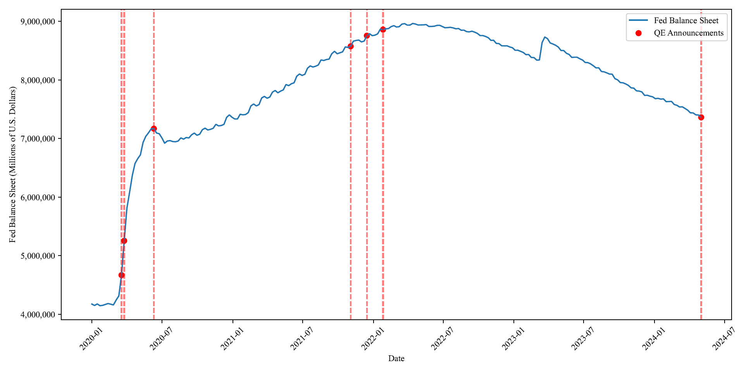
Date | Millions of U.S. Dollars
2002-12-18 | 719542
2002-12-25 | 732059
2003-01-01 | 730994
2003-01-08 | 723762
2003-01-15 | 720074
2003-01-22 | 735953
2003-01-29 | 712809
2003-02-05 | 719643
2003-02-12 | 713281
2003-02-19 | 730400
2003-02-26 | 721980
2003-03-05 | 722649
2003-03-12 | 717014
2003-03-19 | 729923
2003-03-26 | 725019
2003-04-02 | 732452
2003-04-09 | 727826
2003-04-16 | 745838
2003-04-23 | 732222
2003-04-30 | 746294
2003-05-07 | 733466
2003-05-14 | 740371
2003-05-21 | 734699
2003-05-28 | 744896
2003-06-04 | 731667
2003-06-11 | 743236
2003-06-18 | 735926
2003-06-25 | 744018
2003-07-02 | 740126
2003-07-09 | 744430
2003-07-16 | 737765
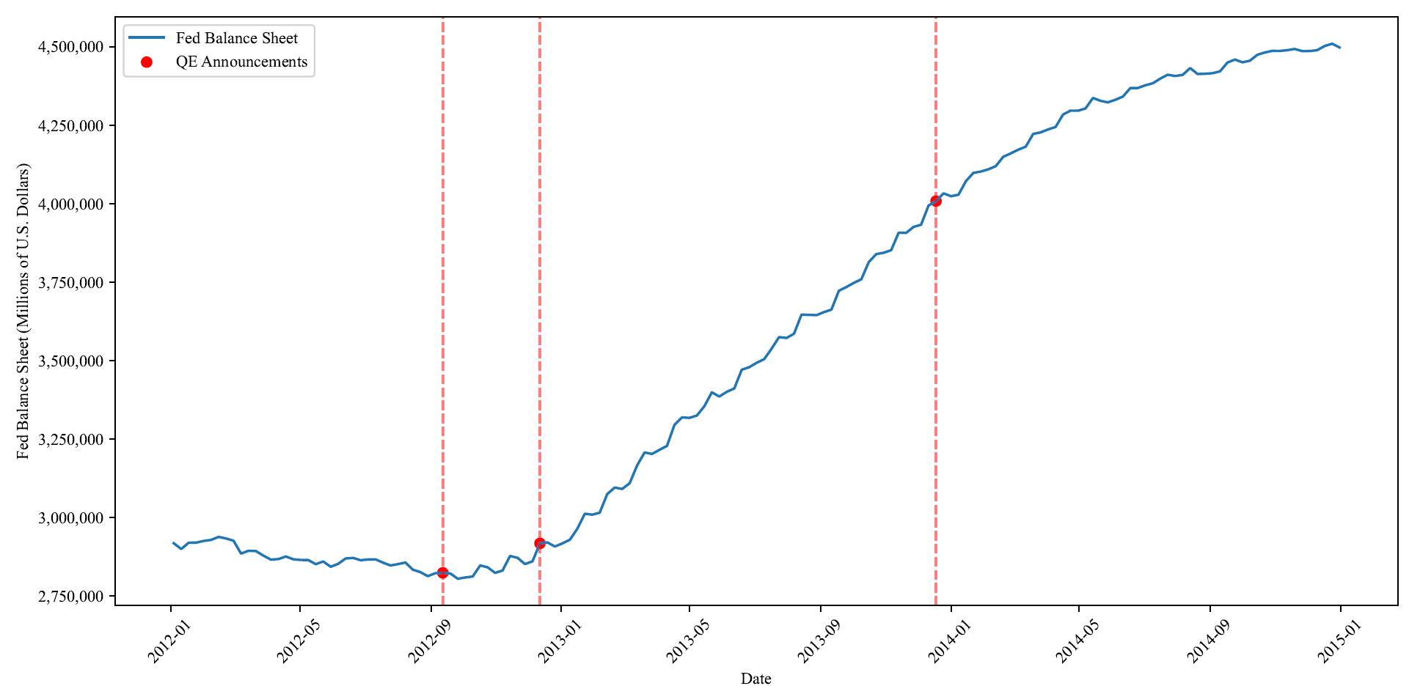
2003-07-23 | 745665
2003-07-30 | 740295
2003-08-06 | 734018
2003-08-13 | 735386
2003-08-20 | 750825
2003-08-27 | 740637
2003-09-03 | 750461
2003-09-10 | 737234
2003-09-17 | 743939
2003-09-24 | 741193
2003-10-01 | 753155
2003-10-08 | 737108
2003-10-15 | 754229
2003-10-22 | 743578
2003-10-29 | 747272
2003-11-05 | 744116
2003-11-12 | 745604
2003-11-19 | 744521
2003-11-26 | 756964
2003-12-03 | 749981
2003-12-10 | 756585
2003-12-17 | 753919
2003-12-24 | 767012
2003-12-31 | 771551
2004-01-07 | 755829
2004-01-14 | 752812
2004-01-21 | 775833
2004-01-28 | 755279
2004-02-04 | 754153
2004-02-11 | 750999
2004-02-18 | 758759
2004-02-25 | 750666
2004-03-03 | 754867
2004-03-10 | 749950
2004-03-17 | 760638
2004-03-24 | 751510
2004-03-31 | 760725
2004-04-07 | 754083
2004-04-14 | 763734
2004-04-21 | 757984
2004-04-28 | 772927
2004-05-05 | 758838
2004-05-12 | 764835
2004-05-19 | 756874
2004-05-26 | 771108
2004-06-02 | 764090
2004-06-09 | 772187
2004-06-16 | 761834
2004-06-23 | 775261
2004-06-30 | 779578
2004-07-07 | 778163
2004-07-14 | 775536
2004-07-21 | 776764
2004-07-28 | 773916
2004-08-04 | 772085
2004-08-11 | 769265
2004-08-18 | 767595
2004-08-25 | 775437
2004-09-01 | 785273
2004-09-08 | 788602
2004-09-15 | 789128
2004-09-22 | 782124
2004-09-29 | 786330
2004-10-06 | 781777
2004-10-13 | 795483
2004-10-20 | 784954
2004-10-27 | 791336
2004-11-03 | 790552
2004-11-10 | 800473
2004-11-17 | 794090
2004-11-24 | 809956
2004-12-01 | 807063
2004-12-08 | 808495
2004-12-15 | 807028
2004-12-22 | 811333
2004-12-29 | 810944
2005-01-05 | 815702
2005-01-12 | 798455
2005-01-19 | 806960
2005-01-26 | 807262
2005-02-02 | 804746
2005-02-09 | 797299
2005-02-16 | 795606
2005-02-23 | 804576
2005-03-02 | 801252
2005-03-09 | 799250
2005-03-16 | 807211
2005-03-23 | 797094
2005-03-30 | 807551
2005-04-06 | 797327
2005-04-13 | 805707
2005-04-20 | 801793
2005-04-27 | 809797
2005-05-04 | 802412
2005-05-11 | 808378
2005-05-18 | 801546
2005-05-25 | 810160
2005-06-01 | 817335
2005-06-08 | 814172
2005-06-15 | 811198
2005-06-22 | 810429
2005-06-29 | 810082
2005-07-06 | 821556
2005-07-13 | 808861
2005-07-20 | 816804
2005-07-27 | 814259
2005-08-03 | 818841
2005-08-10 | 808544
2005-08-17 | 813774
2005-08-24 | 811313
2005-08-31 | 823237
2005-09-07 | 822500
2005-09-14 | 823590
2005-09-21 | 812926
2005-09-28 | 823771
2005-10-05 | 817137
2005-10-12 | 826306
2005-10-19 | 814281
2005-10-26 | 819105
2005-11-02 | 814571
2005-11-09 | 824991
2005-11-16 | 823263
2005-11-23 | 833124
2005-11-30 | 835059
2005-12-07 | 833250
2005-12-14 | 830950
2005-12-21 | 848317
2005-12-28 | 847700
2006-01-04 | 851856
2006-01-11 | 829357
2006-01-18 | 836042
2006-01-25 | 828901
2006-02-01 | 831808
2006-02-08 | 827613
2006-02-15 | 835240
2006-02-22 | 840555
2006-03-01 | 839356
2006-03-08 | 839234
2006-03-15 | 843010
2006-03-22 | 838003
2006-03-29 | 833675
2006-04-05 | 834589
2006-04-12 | 836862
2006-04-19 | 836352
2006-04-26 | 844572
2006-05-03 | 843867
2006-05-10 | 838405
2006-05-17 | 838153
2006-05-24 | 840251
2006-05-31 | 851580
2006-06-07 | 849074
2006-06-14 | 845869
2006-06-21 | 844773
2006-06-28 | 844436
2006-07-05 | 851659
2006-07-12 | 844391
2006-07-19 | 849894
2006-07-26 | 841552
2006-08-02 | 850263
2006-08-09 | 840006
2006-08-16 | 842876
2006-08-23 | 837987
2006-08-30 | 850925
2006-09-06 | 848594
2006-09-13 | 840886
2006-09-20 | 838192
2006-09-27 | 849971
2006-10-04 | 842296
2006-10-11 | 859339
2006-10-18 | 844200
2006-10-25 | 852648
2006-11-01 | 855536
2006-11-08 | 858630
2006-11-15 | 855551
2006-11-22 | 865126
2006-11-29 | 856671
2006-12-06 | 862178
2006-12-13 | 853851
2006-12-20 | 865010
2006-12-27 | 869988
2007-01-03 | 874626
2007-01-10 | 854819
2007-01-17 | 859363
2007-01-24 | 851755
2007-01-31 | 865730
2007-02-07 | 855057
2007-02-14 | 867199
2007-02-21 | 869235
2007-02-28 | 877409
2007-03-07 | 864505
2007-03-14 | 876108
2007-03-21 | 863067
2007-03-28 | 869803
2007-04-04 | 862319
2007-04-11 | 865441
2007-04-18 | 861335
2007-04-25 | 879686
2007-05-02 | 890857
2007-05-09 | 875270
2007-05-16 | 859559
2007-05-23 | 873935
2007-05-30 | 876986
2007-06-06 | 872706
2007-06-13 | 864989
2007-06-20 | 866089
2007-06-27 | 865105
2007-07-04 | 876611
2007-07-11 | 869407
2007-07-18 | 872916
2007-07-25 | 863890
2007-08-01 | 870261
2007-08-08 | 865453
2007-08-15 | 864931
2007-08-22 | 862775
2007-08-29 | 872873
2007-09-05 | 871156
2007-09-12 | 886314
2007-09-19 | 867732
2007-09-26 | 889900
2007-10-03 | 869051
2007-10-10 | 886363
2007-10-17 | 869509
2007-10-24 | 881395
2007-10-31 | 883385
2007-11-07 | 885724
2007-11-14 | 889537
2007-11-21 | 891028
2007-11-28 | 879417
2007-12-05 | 882764
2007-12-12 | 881750
2007-12-19 | 887983
2007-12-26 | 890662
2008-01-02 | 922187
2008-01-09 | 880754
2008-01-16 | 893581
2008-01-23 | 877253
2008-01-30 | 900264
2008-02-06 | 871022
2008-02-13 | 883005
2008-02-20 | 878949
2008-02-27 | 893825
2008-03-05 | 881208
2008-03-12 | 896565
2008-03-19 | 888646
2008-03-26 | 893965
2008-04-02 | 883708
2008-04-09 | 893029
2008-04-16 | 881904
2008-04-23 | 885781
2008-04-30 | 888131
2008-05-07 | 889228
2008-05-14 | 880175
2008-05-21 | 898487
2008-05-28 | 904054
2008-06-04 | 895939
2008-06-11 | 890610
2008-06-18 | 902304
2008-06-25 | 892713
2008-07-02 | 902962
2008-07-09 | 898034
2008-07-16 | 910681
2008-07-23 | 899665
2008-07-30 | 918625
2008-08-06 | 901710
2008-08-13 | 914632
2008-08-20 | 898611
2008-08-27 | 909982
2008-09-03 | 905253
2008-09-10 | 925725
2008-09-17 | 995093
2008-09-24 | 1211825
2008-10-01 | 1503989
2008-10-08 | 1591587
2008-10-15 | 1770809
2008-10-22 | 1802602
2008-10-29 | 1969086
2008-11-05 | 2074205
2008-11-12 | 2212852
2008-11-19 | 2187137
2008-11-26 | 2106117
2008-12-03 | 2136924
2008-12-10 | 2250012
2008-12-17 | 2254983
2008-12-24 | 2232311
2008-12-31 | 2239457
2009-01-07 | 2121439
2009-01-14 | 2049714
2009-01-21 | 2037112
2009-01-28 | 1927082
2009-02-04 | 1851437
2009-02-11 | 1843400
2009-02-18 | 1915562
2009-02-25 | 1916115
2009-03-04 | 1901317
2009-03-11 | 1899514
2009-03-18 | 2066942
2009-03-25 | 2071556
2009-04-01 | 2078936
2009-04-08 | 2088573
2009-04-15 | 2186498
2009-04-22 | 2196812
2009-04-29 | 2066712
2009-05-06 | 2079758
2009-05-13 | 2196351
2009-05-20 | 2181632
2009-05-27 | 2080115
2009-06-03 | 2077695
2009-06-10 | 2052297
2009-06-17 | 2072527
2009-06-24 | 2025571
2009-07-01 | 2005627
2009-07-08 | 1992740
2009-07-15 | 2072451
2009-07-22 | 2039001
2009-07-29 | 2000547
2009-08-05 | 1989203
2009-08-12 | 2014899
2009-08-19 | 2060641
2009-08-26 | 2074902
2009-09-02 | 2083720
2009-09-09 | 2087946
2009-09-16 | 2139783
2009-09-23 | 2158631
2009-09-30 | 2141020
2009-10-07 | 2138086
2009-10-14 | 2192787
2009-10-21 | 2201119
2009-10-28 | 2161537
2009-11-04 | 2165067
2009-11-11 | 2135035
2009-11-18 | 2208721
2009-11-25 | 2206359
2009-12-02 | 2204074
2009-12-09 | 2186383
2009-12-16 | 2235763
2009-12-23 | 2235803
2009-12-30 | 2234067
2010-01-06 | 2235304
2010-01-13 | 2291700
2010-01-20 | 2251806
2010-01-27 | 2246886
2010-02-03 | 2249319
2010-02-10 | 2256679
2010-02-17 | 2277574
2010-02-24 | 2286127
2010-03-03 | 2280147
2010-03-10 | 2282474
2010-03-17 | 2307997
2010-03-24 | 2313149
2010-03-31 | 2307150
2010-04-07 | 2307575
2010-04-14 | 2339345
2010-04-21 | 2337556
2010-04-28 | 2330472
2010-05-05 | 2326164
2010-05-12 | 2336103
2010-05-19 | 2350890
2010-05-26 | 2334041
2010-06-02 | 2336216
2010-06-09 | 2331529
2010-06-16 | 2344316
2010-06-23 | 2344497
2010-06-30 | 2330851
2010-07-07 | 2332017
2010-07-14 | 2340717
2010-07-21 | 2332322
2010-07-28 | 2325298
2010-08-04 | 2326479
2010-08-11 | 2327533
2010-08-18 | 2313662
2010-08-25 | 2301015
2010-09-01 | 2301996
2010-09-08 | 2305802
2010-09-15 | 2296079
2010-09-22 | 2307171
2010-09-29 | 2298691
2010-10-06 | 2308092
2010-10-13 | 2309885
2010-10-20 | 2305227
2010-10-27 | 2295392
2010-11-03 | 2300353
2010-11-10 | 2312768
2010-11-17 | 2314757
2010-11-24 | 2346001
2010-12-01 | 2346920
2010-12-08 | 2382294
2010-12-15 | 2385754
2010-12-22 | 2427921
2010-12-29 | 2420570
2011-01-05 | 2436064
2011-01-12 | 2468131
2011-01-19 | 2425164
2011-01-26 | 2443527
2011-02-02 | 2469419
2011-02-09 | 2500481
2011-02-16 | 2508868
2011-02-23 | 2533221
2011-03-02 | 2545119
2011-03-09 | 2577076
2011-03-16 | 2583046
2011-03-23 | 2601341
2011-03-30 | 2622523
2011-04-06 | 2648676
2011-04-13 | 2665408
2011-04-20 | 2685782
2011-04-27 | 2690985
2011-05-04 | 2718757
2011-05-11 | 2744498
2011-05-18 | 2758009
2011-05-25 | 2774996
2011-06-01 | 2788723
2011-06-08 | 2811206
2011-06-15 | 2827549
2011-06-22 | 2856403
2011-06-29 | 2865251
2011-07-06 | 2870103
2011-07-13 | 2878074
2011-07-20 | 2871301
2011-07-27 | 2863576
2011-08-03 | 2867215
2011-08-10 | 2872423
2011-08-17 | 2857906
2011-08-24 | 2859433
2011-08-31 | 2853888
2011-09-07 | 2858660
2011-09-14 | 2863540
2011-09-21 | 2857747
2011-09-28 | 2850921
2011-10-05 | 2859701
2011-10-12 | 2860822
2011-10-19 | 2852390
2011-10-26 | 2845685
2011-11-02 | 2822034
2011-11-09 | 2839786
2011-11-16 | 2831576
2011-11-23 | 2821980
2011-11-30 | 2814235
2011-12-07 | 2820691
2011-12-14 | 2902488
2011-12-21 | 2916085
2011-12-28 | 2926095
2012-01-04 | 2917689
2012-01-11 | 2899149
2012-01-18 | 2919423
2012-01-25 | 2919545
2012-02-01 | 2924947
2012-02-08 | 2928275
2012-02-15 | 2937893
2012-02-22 | 2932813
2012-02-29 | 2925722
2012-03-07 | 2884747
2012-03-14 | 2893560
2012-03-21 | 2892646
2012-03-28 | 2878137
2012-04-04 | 2865478
2012-04-11 | 2867200
2012-04-18 | 2875470
2012-04-25 | 2866561
2012-05-02 | 2864280
2012-05-09 | 2864150
2012-05-16 | 2850984
2012-05-23 | 2859495
2012-05-30 | 2842654
2012-06-06 | 2852018
2012-06-13 | 2869071
2012-06-20 | 2870846
2012-06-27 | 2863547
2012-07-04 | 2865858
2012-07-11 | 2866279
2012-07-18 | 2855807
2012-07-25 | 2846757
2012-08-01 | 2851118
2012-08-08 | 2856181
2012-08-15 | 2833317
2012-08-22 | 2825661
2012-08-29 | 2812806
2012-09-05 | 2822169
2012-09-12 | 2823448
2012-09-19 | 2821574
2012-09-26 | 2804457
2012-10-03 | 2808512
2012-10-10 | 2811623
2012-10-17 | 2846920
2012-10-24 | 2840964
2012-10-31 | 2823137
2012-11-07 | 2830791
2012-11-14 | 2877244
2012-11-21 | 2871161
2012-11-28 | 2851362
2012-12-05 | 2859807
2012-12-12 | 2917260
2012-12-19 | 2920231
2012-12-26 | 2907300
2013-01-02 | 2917189
2013-01-09 | 2928728
2013-01-16 | 2963812
2013-01-23 | 3011697
2013-01-30 | 3008704
2013-02-06 | 3014975
2013-02-13 | 3074225
2013-02-20 | 3095150
2013-02-27 | 3090600
2013-03-06 | 3108805
2013-03-13 | 3165396
2013-03-20 | 3206888
2013-03-27 | 3202256
2013-04-03 | 3215432
2013-04-10 | 3227762
2013-04-17 | 3295109
2013-04-24 | 3318649
2013-05-01 | 3317194
2013-05-08 | 3324615
2013-05-15 | 3354269
2013-05-22 | 3398713
2013-05-29 | 3385128
2013-06-05 | 3400183
2013-06-12 | 3410842
2013-06-19 | 3470530
2013-06-26 | 3478672
2013-07-03 | 3492742
2013-07-10 | 3504095
2013-07-17 | 3537861
2013-07-24 | 3574574
2013-07-31 | 3571797
2013-08-07 | 3585359
2013-08-14 | 3646323
2013-08-21 | 3645668
2013-08-28 | 3644456
2013-09-04 | 3654182
2013-09-11 | 3662035
2013-09-18 | 3722192
2013-09-25 | 3734018
2013-10-02 | 3747387
2013-10-09 | 3758663
2013-10-16 | 3813599
2013-10-23 | 3839033
2013-10-30 | 3843396
2013-11-06 | 3851623
2013-11-13 | 3907424
2013-11-20 | 3906620
2013-11-27 | 3925876
2013-12-04 | 3932626
2013-12-11 | 3993955
2013-12-18 | 4008062
2013-12-25 | 4032575
2014-01-01 | 4023640
2014-01-08 | 4028185
2014-01-15 | 4071528
2014-01-22 | 4097914
2014-01-29 | 4102138
2014-02-05 | 4109285
2014-02-12 | 4119474
2014-02-19 | 4149224
2014-02-26 | 4159972
2014-03-05 | 4171762
2014-03-12 | 4181361
2014-03-19 | 4222081
2014-03-26 | 4226971
2014-04-02 | 4236441
2014-04-09 | 4244188
2014-04-16 | 4283967
2014-04-23 | 4296339
2014-04-30 | 4296049
2014-05-07 | 4303143
2014-05-14 | 4336649
2014-05-21 | 4327560
2014-05-28 | 4322654
2014-06-04 | 4330917
2014-06-11 | 4340904
2014-06-18 | 4368168
2014-06-25 | 4368348
2014-07-02 | 4377031
2014-07-09 | 4383401
2014-07-16 | 4398201
2014-07-23 | 4410746
2014-07-30 | 4406637
2014-08-06 | 4410111
2014-08-13 | 4431923
2014-08-20 | 4412924
2014-08-27 | 4413736
2014-09-03 | 4415587
2014-09-10 | 4421408
2014-09-17 | 4449588
2014-09-24 | 4459050
2014-10-01 | 4450260
2014-10-08 | 4455403
2014-10-15 | 4474360
2014-10-22 | 4481616
2014-10-29 | 4486754
2014-11-05 | 4486585
2014-11-12 | 4488895
2014-11-19 | 4492759
2014-11-26 | 4485931
2014-12-03 | 4486190
2014-12-10 | 4488865
2014-12-17 | 4502247
2014-12-24 | 4509462
2014-12-31 | 4497660
2015-01-07 | 4499524
2015-01-14 | 4516077
2015-01-21 | 4512936
2015-01-28 | 4500064
2015-02-04 | 4500348
2015-02-11 | 4501685
2015-02-18 | 4496851
2015-02-25 | 4486725
2015-03-04 | 4487583
2015-03-11 | 4489279
2015-03-18 | 4495888
2015-03-25 | 4480603
2015-04-01 | 4481799
2015-04-08 | 4483419
2015-04-15 | 4485366
2015-04-22 | 4489695
2015-04-29 | 4471499
2015-05-06 | 4472703
2015-05-13 | 4501188
2015-05-20 | 4480384
2015-05-27 | 4463981
2015-06-03 | 4465360
2015-06-10 | 4468005
2015-06-17 | 4487817
2015-06-24 | 4495055
2015-07-01 | 4479130
2015-07-08 | 4481289
2015-07-15 | 4493605
2015-07-22 | 4500503
2015-07-29 | 4485480
2015-08-05 | 4486329
2015-08-12 | 4489250
2015-08-19 | 4487208
2015-08-26 | 4475105
2015-09-02 | 4475886
2015-09-09 | 4478213
2015-09-16 | 4487809
2015-09-23 | 4497484
2015-09-30 | 4484111
2015-10-07 | 4486185
2015-10-14 | 4504704
2015-10-21 | 4501372
2015-10-28 | 4489339
2015-11-04 | 4489702
2015-11-11 | 4492012
2015-11-18 | 4486721
2015-11-25 | 4477088
2015-12-02 | 4478069
2015-12-09 | 4480436
2015-12-16 | 4489593
2015-12-23 | 4496523
2015-12-30 | 4486587
2016-01-06 | 4486606
2016-01-13 | 4501695
2016-01-20 | 4488840
2016-01-27 | 4482349
2016-02-03 | 4483495
2016-02-10 | 4486278
2016-02-17 | 4483629
2016-02-24 | 4489796
2016-03-02 | 4478485
2016-03-09 | 4481083
2016-03-16 | 4486333
2016-03-23 | 4492857
2016-03-30 | 4482840
2016-04-06 | 4484069
2016-04-13 | 4499729
2016-04-20 | 4490131
2016-04-27 | 4474665
2016-05-04 | 4477270
2016-05-11 | 4478411
2016-05-18 | 4473741
2016-05-25 | 4461111
2016-06-01 | 4461393
2016-06-08 | 4463542
2016-06-15 | 4472817
2016-06-22 | 4482009
2016-06-29 | 4466482
2016-07-06 | 4470605
2016-07-13 | 4472202
2016-07-20 | 4480973
2016-07-27 | 4464498
2016-08-03 | 4466793
2016-08-10 | 4468929
2016-08-17 | 4466476
2016-08-24 | 4473840
2016-08-31 | 4457907
2016-09-07 | 4459394
2016-09-14 | 4481635
2016-09-21 | 4473032
2016-09-28 | 4452002
2016-10-05 | 4459407
2016-10-12 | 4457698
2016-10-19 | 4467382
2016-10-26 | 4454326
2016-11-02 | 4453087
2016-11-09 | 4455087
2016-11-16 | 4453633
2016-11-23 | 4465782
2016-11-30 | 4446307
2016-12-07 | 4448618
2016-12-14 | 4470973
2016-12-21 | 4469089
2016-12-28 | 4451451
2017-01-04 | 4453101
2017-01-11 | 4452509
2017-01-18 | 4460758
2017-01-25 | 4452838
2017-02-01 | 4453881
2017-02-08 | 4456236
2017-02-15 | 4454676
2017-02-22 | 4468702
2017-03-01 | 4458018
2017-03-08 | 4459840
2017-03-15 | 4469577
2017-03-22 | 4478236
2017-03-29 | 4469618
2017-04-05 | 4474634
2017-04-12 | 4484492
2017-04-19 | 4479270
2017-04-26 | 4470142
2017-05-03 | 4471246
2017-05-10 | 4473459
2017-05-17 | 4467108
2017-05-24 | 4470852
2017-05-31 | 4459914
2017-06-07 | 4462443
2017-06-14 | 4476269
2017-06-21 | 4474257
2017-06-28 | 4463347
2017-07-05 | 4467272
2017-07-12 | 4466702
2017-07-19 | 4476903
2017-07-26 | 4465284
2017-08-02 | 4466846
2017-08-09 | 4469083
2017-08-16 | 4462871
2017-08-23 | 4463837
2017-08-30 | 4452360
2017-09-06 | 4453474
2017-09-13 | 4471174
2017-09-20 | 4458576
2017-09-27 | 4455661
2017-10-04 | 4460422
2017-10-11 | 4459415
2017-10-18 | 4469723
2017-10-25 | 4461117
2017-11-01 | 4455887
2017-11-08 | 4458552
2017-11-15 | 4448289
2017-11-22 | 4450615
2017-11-29 | 4438592
2017-12-06 | 4437148
2017-12-13 | 4452726
2017-12-20 | 4447470
2017-12-27 | 4448680
2018-01-03 | 4443718
2018-01-10 | 4446062
2018-01-17 | 4439145
2018-01-24 | 4441317
2018-01-31 | 4419225
2018-02-07 | 4420745
2018-02-14 | 4434863
2018-02-21 | 4411660
2018-02-28 | 4393401
2018-03-07 | 4396097
2018-03-14 | 4407258
2018-03-21 | 4401222
2018-03-28 | 4392198
2018-04-04 | 4386104
2018-04-11 | 4383684
2018-04-18 | 4385903
2018-04-25 | 4372886
2018-05-02 | 4356129
2018-05-09 | 4358207
2018-05-16 | 4337609
2018-05-23 | 4337301
2018-05-30 | 4327519
2018-06-06 | 4319191
2018-06-13 | 4324906
2018-06-20 | 4315896
2018-06-27 | 4305491
2018-07-04 | 4289764
2018-07-11 | 4291201
2018-07-18 | 4291615
2018-07-25 | 4277681
2018-08-01 | 4255653
2018-08-08 | 4258030
2018-08-15 | 4228924
2018-08-22 | 4228818
2018-08-29 | 4218914
2018-09-05 | 4208496
2018-09-12 | 4210812
2018-09-19 | 4208059
2018-09-26 | 4192909
2018-10-03 | 4174704
2018-10-10 | 4176906
2018-10-17 | 4175446
2018-10-24 | 4173070
2018-10-31 | 4139731
2018-11-07 | 4141936
2018-11-14 | 4145892
2018-11-21 | 4106198
2018-11-28 | 4097170
2018-12-05 | 4086044
2018-12-12 | 4088314
2018-12-19 | 4084274
2018-12-26 | 4075636
2019-01-02 | 4058378
2019-01-09 | 4056563
2019-01-16 | 4050044
2019-01-23 | 4047052
2019-01-30 | 4039678
2019-02-06 | 4026350
2019-02-13 | 4028431
2019-02-20 | 3981420
2019-02-27 | 3974590
2019-03-06 | 3969134
2019-03-13 | 3971559
2019-03-20 | 3962748
2019-03-27 | 3955617
2019-04-03 | 3935509
2019-04-10 | 3936784
2019-04-17 | 3931827
2019-04-24 | 3928273
2019-05-01 | 3889691
2019-05-08 | 3892216
2019-05-15 | 3864749
2019-05-22 | 3860435
2019-05-29 | 3851444
2019-06-05 | 3847645
2019-06-12 | 3849955
2019-06-19 | 3844016
2019-06-26 | 3826817
2019-07-03 | 3813198
2019-07-10 | 3815038
2019-07-17 | 3808110
2019-07-24 | 3803436
2019-07-31 | 3779102
2019-08-07 | 3781543
2019-08-14 | 3786018
2019-08-21 | 3764866
2019-08-28 | 3759946
2019-09-04 | 3761508
2019-09-11 | 3769673
2019-09-18 | 3844695
2019-09-25 | 3857715
2019-10-02 | 3945831
2019-10-09 | 3949955
2019-10-16 | 3966471
2019-10-23 | 3968700
2019-10-30 | 4019823
2019-11-06 | 4039443
2019-11-13 | 4047882
2019-11-20 | 4030249
2019-11-27 | 4052875
2019-12-04 | 4065696
2019-12-11 | 4095491
2019-12-18 | 4137052
2019-12-25 | 4165591
2020-01-01 | 4173626
2020-01-08 | 4149544
2020-01-15 | 4175850
2020-01-22 | 4145912
2020-01-29 | 4151630
2020-02-05 | 4166707
2020-02-12 | 4182689
2020-02-19 | 4171570
2020-02-26 | 4158637
2020-03-04 | 4241507
2020-03-11 | 4311911
2020-03-18 | 4668212
2020-03-25 | 5254278
2020-04-01 | 5811607
2020-04-08 | 6083141
2020-04-15 | 6367887
2020-04-22 | 6573136
2020-04-29 | 6655929
2020-05-06 | 6721420
2020-05-13 | 6934227
2020-05-20 | 7037258
2020-05-27 | 7097316
2020-06-03 | 7165217
2020-06-10 | 7168936
2020-06-17 | 7094690
2020-06-24 | 7082302
2020-07-01 | 7009040
2020-07-08 | 6920716
2020-07-15 | 6958604
2020-07-22 | 6964755
2020-07-29 | 6949032
2020-08-05 | 6945237
2020-08-12 | 6957277
2020-08-19 | 7010637
2020-08-26 | 6990418
2020-09-02 | 7017492
2020-09-09 | 7010614
2020-09-16 | 7064475
2020-09-23 | 7093161
2020-09-30 | 7056129
2020-10-07 | 7074649
2020-10-14 | 7151426
2020-10-21 | 7177265
2020-10-28 | 7146306
2020-11-04 | 7157479
2020-11-11 | 7175417
2020-11-18 | 7243080
2020-11-25 | 7216480
2020-12-02 | 7222414
2020-12-09 | 7242658
2020-12-16 | 7362592
2020-12-23 | 7404039
2020-12-30 | 7363351
2021-01-06 | 7334809
2021-01-13 | 7333968
2021-01-20 | 7414942
2021-01-27 | 7404926
2021-02-03 | 7410598
2021-02-10 | 7442225
2021-02-17 | 7557402
2021-02-24 | 7590111
2021-03-03 | 7557524
2021-03-10 | 7579901
2021-03-17 | 7693506
2021-03-24 | 7719622
2021-03-31 | 7688988
2021-04-07 | 7708882
2021-04-14 | 7793104
2021-04-21 | 7820948
2021-04-28 | 7780962
2021-05-05 | 7810486
2021-05-12 | 7830663
2021-05-19 | 7922883
2021-05-26 | 7903541
2021-06-02 | 7935703
2021-06-09 | 7952327
2021-06-16 | 8064257
2021-06-23 | 8101945
2021-06-30 | 8078544
2021-07-07 | 8097773
2021-07-14 | 8201651
2021-07-21 | 8240530
2021-07-28 | 8221473
2021-08-04 | 8235073
2021-08-11 | 8257159
2021-08-18 | 8342598
2021-08-25 | 8332743
2021-09-01 | 8349173
2021-09-08 | 8357314
2021-09-15 | 8448770
2021-09-22 | 8489824
2021-09-29 | 8447981
2021-10-06 | 8464032
2021-10-13 | 8480942
2021-10-20 | 8564943
2021-10-27 | 8556181
2021-11-03 | 8574871
2021-11-10 | 8663117
2021-11-17 | 8674970
2021-11-24 | 8681771
2021-12-01 | 8650402
2021-12-08 | 8664524
2021-12-15 | 8756666
2021-12-22 | 8790495
2021-12-29 | 8757460
2022-01-05 | 8765721
2022-01-12 | 8788278
2022-01-19 | 8867834
2022-01-26 | 8860485
2022-02-02 | 8873211
2022-02-09 | 8878009
2022-02-16 | 8911033
2022-02-23 | 8928129
2022-03-02 | 8904455
2022-03-09 | 8910748
2022-03-16 | 8954306
2022-03-23 | 8962474
2022-03-30 | 8937142
2022-04-06 | 8937592
2022-04-13 | 8965487
2022-04-20 | 8955851
2022-04-27 | 8939199
2022-05-04 | 8939972
2022-05-11 | 8942008
2022-05-18 | 8945898
2022-05-25 | 8914281
2022-06-01 | 8915050
2022-06-08 | 8918254
2022-06-15 | 8932420
2022-06-22 | 8934346
2022-06-29 | 8913553
2022-07-06 | 8891851
2022-07-13 | 8895867
2022-07-20 | 8899213
2022-07-27 | 8890004
2022-08-03 | 8874620
2022-08-10 | 8879138
2022-08-17 | 8849762
2022-08-24 | 8851436
2022-08-31 | 8826093
2022-09-07 | 8822401
2022-09-14 | 8832759
2022-09-21 | 8816802
2022-09-28 | 8795567
2022-10-05 | 8759053
2022-10-12 | 8758969
2022-10-19 | 8743922
2022-10-26 | 8723090
2022-11-02 | 8676870
2022-11-09 | 8678886
2022-11-16 | 8625620
2022-11-23 | 8621390
2022-11-30 | 8584576
2022-12-07 | 8582735
2022-12-14 | 8583413
2022-12-21 | 8564411
2022-12-28 | 8551169
2023-01-04 | 8507429
2023-01-11 | 8508587
2023-01-18 | 8489039
2023-01-25 | 8470557
2023-02-01 | 8433610
2023-02-08 | 8435369
2023-02-15 | 8384767
2023-02-22 | 8382190
2023-03-01 | 8339684
2023-03-08 | 8342283
2023-03-15 | 8639300
2023-03-22 | 8733787
2023-03-29 | 8705942
2023-04-05 | 8632384
2023-04-12 | 8614797
2023-04-19 | 8593263
2023-04-26 | 8562768
2023-05-03 | 8503994
2023-05-10 | 8503017
2023-05-17 | 8456760
2023-05-24 | 8436255
2023-05-31 | 8385854
2023-06-07 | 8389325
2023-06-14 | 8388323
2023-06-21 | 8362060
2023-06-28 | 8340914
2023-07-05 | 8298312
2023-07-12 | 8296923
2023-07-19 | 8274552
2023-07-26 | 8243344
2023-08-02 | 8206764
2023-08-09 | 8208241
2023-08-16 | 8145727
2023-08-23 | 8139066
2023-08-30 | 8121316
2023-09-06 | 8101318
2023-09-13 | 8098779
2023-09-20 | 8024090
2023-09-27 | 8002064
2023-10-04 | 7955782
2023-10-11 | 7952054
2023-10-18 | 7933162
2023-10-25 | 7907830
2023-11-01 | 7866664
2023-11-08 | 7860691
2023-11-15 | 7814991
2023-11-22 | 7810814
2023-11-29 | 7796145
2023-12-06 | 7737385
2023-12-13 | 7739566
2023-12-20 | 7724063
2023-12-27 | 7712781
2024-01-03 | 7681024
2024-01-10 | 7686710
2024-01-17 | 7673741
2024-01-24 | 7677230
2024-01-31 | 7630124
2024-02-07 | 7631300
2024-02-14 | 7633874
2024-02-21 | 7581683
2024-02-28 | 7567807
2024-03-06 | 7538857
2024-03-13 | 7541969
2024-03-20 | 7514348
2024-03-27 | 7484739
2024-04-03 | 7439558
2024-04-10 | 7438176
2024-04-17 | 7405506
2024-04-24 | 7402434
2024-05-01 | 7362474
2024-05-08 | 7353408
2024-05-15 | 7304272
2024-05-22 | 7299566
2024-05-29 | 7284319
2024-06-05 | 7255687
2024-06-12 | 7258974
2024-06-19 | 7252542
2024-06-26 | 7231163
2024-07-03 | 7221520
2024-07-10 | 7224079

Figure 3
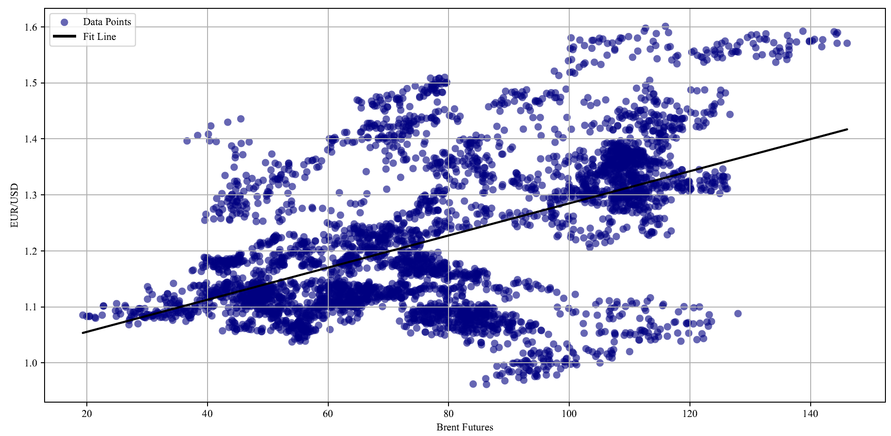
Date | Brent Close | EUR/USD
2008-01-02 | 97.84 | 1.4738
2008-01-03 | 97.6 | 1.4736
2008-01-04 | 96.79 | 1.4786
2008-01-07 | 94.39 | 1.4684
2008-01-08 | 95.54 | 1.4717
2008-01-09 | 94.37 | 1.4663
2008-01-10 | 92.22 | 1.474
2008-01-11 | 91.07 | 1.4787
2008-01-14 | 92.92 | 1.4877
2008-01-15 | 90.98 | 1.4842
2008-01-16 | 89.75 | 1.4643
2008-01-17 | 88.75 | 1.469
2008-01-18 | 89.23 | 1.4616
2008-01-21 | 87.51 | 1.4616
2008-01-22 | 88.45 | 1.4609
2008-01-23 | 86.62 | 1.4574
2008-01-24 | 89.07 | 1.4737
2008-01-25 | 90.9 | 1.4673
2008-01-28 | 91.38 | 1.4789
2008-01-29 | 92 | 1.4767
2008-01-30 | 92.53 | 1.4782
2008-01-31 | 92.21 | 1.4841
2008-02-01 | 89.44 | 1.4851
2008-02-04 | 90.47 | 1.4832
2008-02-05 | 88.82 | 1.4638
2008-02-06 | 87.78 | 1.4647
2008-02-07 | 88.51 | 1.4495
2008-02-08 | 91.94 | 1.4505
2008-02-11 | 93.53 | 1.4506
2008-02-12 | 92.86 | 1.4592
2008-02-13 | 93.32 | 1.4569
2008-02-14 | 95.09 | 1.4635
2008-02-15 | 94.63 | 1.4674
2008-02-18 | 94.91 | 1.4674
2008-02-19 | 98.56 | 1.4742
2008-02-20 | 98.42 | 1.4663
2008-02-21 | 96.24 | 1.4813
2008-02-22 | 97.01 | 1.4825
2008-02-25 | 97.69 | 1.4822
2008-02-26 | 99.47 | 1.4889
2008-02-27 | 98.27 | 1.5132
2008-02-28 | 100.9 | 1.5172
2008-02-29 | 100.1 | 1.5187
2008-03-03 | 100.48 | 1.5195
2008-03-04 | 97.52 | 1.521
2008-03-05 | 101.64 | 1.5282
2008-03-06 | 102.61 | 1.5356
2008-03-07 | 102.38 | 1.5333
2008-03-10 | 104.16 | 1.5369
2008-03-11 | 105.25 | 1.5329
2008-03-12 | 106.27 | 1.5495
2008-03-13 | 107.54 | 1.5584
2008-03-14 | 107.55 | 1.5604
2008-03-17 | 101.75 | 1.5765
2008-03-18 | 105.56 | 1.5784
2008-03-19 | 100.72 | 1.5642
2008-03-20 | 100.38 | 1.5417
2008-03-24 | 99.86 | 1.5394
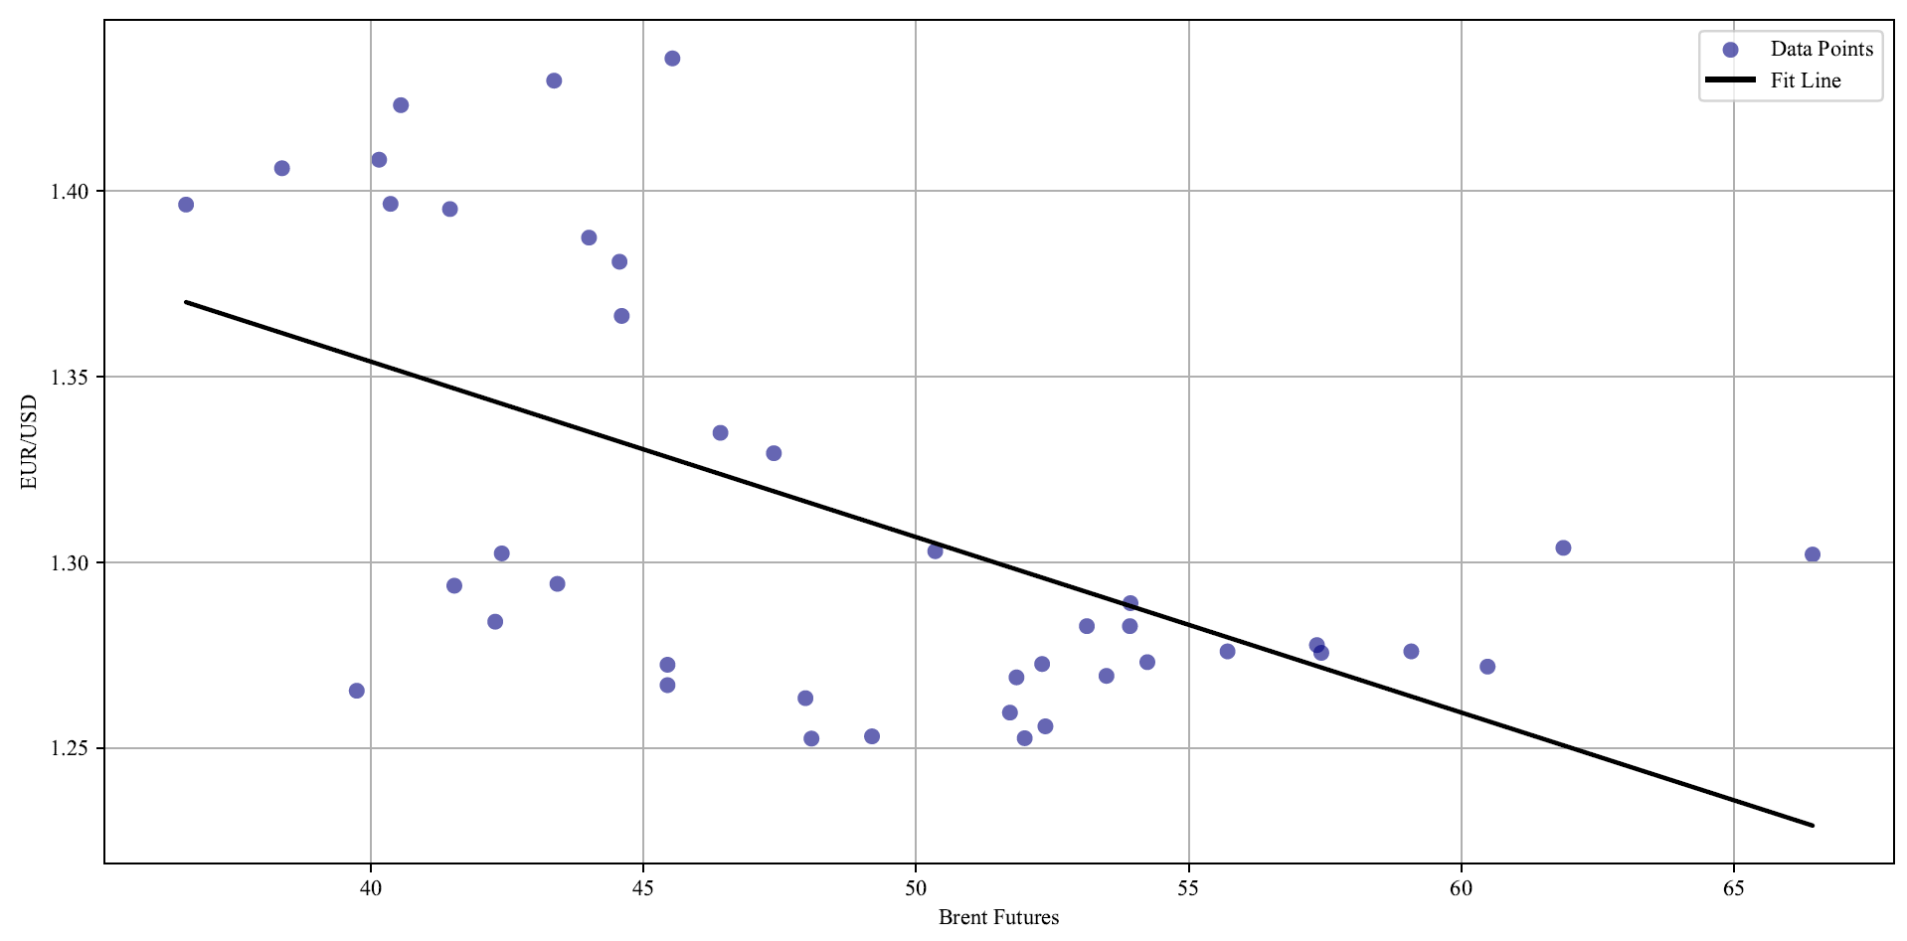
2008-03-25 | 100.6 | 1.5595
2008-03-26 | 103.99 | 1.5761
2008-03-27 | 105 | 1.5798
2008-03-28 | 103.77 | 1.5759
2008-03-31 | 100.3 | 1.5805
2008-04-01 | 100.17 | 1.5615
2008-04-02 | 103.75 | 1.5618
2008-04-03 | 102.52 | 1.5667
2008-04-04 | 104.9 | 1.5735
2008-04-07 | 107.14 | 1.5713
2008-04-08 | 106.34 | 1.5705
2008-04-09 | 108.47 | 1.5804
2008-04-10 | 108.2 | 1.5744
2008-04-11 | 108.75 | 1.5796
2008-04-14 | 109.84 | 1.5827
2008-04-15 | 111.31 | 1.5801
2008-04-16 | 112.66 | 1.5978
2008-04-17 | 112.43 | 1.5924
2008-04-18 | 113.92 | 1.5742
2008-04-21 | 114.43 | 1.5881
2008-04-22 | 115.95 | 1.601
2008-04-23 | 116.46 | 1.5898
2008-04-24 | 114.34 | 1.5668
2008-04-25 | 116.34 | 1.5634
2008-04-28 | 116.74 | 1.5648
2008-04-29 | 113.43 | 1.5604
2008-04-30 | 111.36 | 1.5568
2008-05-01 | 110.5 | 1.5458
2008-05-02 | 114.56 | 1.5431
2008-05-05 | 117.99 | 1.5491
2008-05-06 | 120.31 | 1.5548
2008-05-07 | 122.32 | 1.537
2008-05-08 | 122.84 | 1.5409
2008-05-09 | 125.4 | 1.5447
2008-05-12 | 122.91 | 1.5536
2008-05-13 | 124.1 | 1.5509
2008-05-14 | 121.86 | 1.5467
2008-05-15 | 121.25 | 1.5492
2008-05-16 | 124.99 | 1.5591
2008-05-19 | 125.06 | 1.5516
2008-05-20 | 127.84 | 1.5667
2008-05-21 | 132.7 | 1.5772
2008-05-22 | 130.51 | 1.5703
2008-05-23 | 131.57 | 1.5784
2008-05-26 | 132.37 | 1.5784
2008-05-27 | 128.31 | 1.5731
2008-05-28 | 130.93 | 1.5628
2008-05-29 | 126.89 | 1.5527
2008-05-30 | 127.78 | 1.556
2008-06-02 | 128.02 | 1.555
2008-06-03 | 124.58 | 1.5454
2008-06-04 | 122.1 | 1.5453
2008-06-05 | 127.54 | 1.556
2008-06-06 | 137.69 | 1.5731
2008-06-09 | 133.91 | 1.5718
2008-06-10 | 131.02 | 1.5473
2008-06-11 | 135.02 | 1.5562
2008-06-12 | 136.09 | 1.5418
2008-06-13 | 134.25 | 1.5368
2008-06-16 | 134.71 | 1.5472
2008-06-17 | 133.72 | 1.5519
2008-06-18 | 136.44 | 1.5502
2008-06-19 | 132 | 1.5502
2008-06-20 | 134.86 | 1.5626
2008-06-23 | 135.91 | 1.5492
2008-06-24 | 136.46 | 1.5591
2008-06-25 | 134.33 | 1.557
2008-06-26 | 139.83 | 1.5738
2008-06-27 | 140.31 | 1.5749
2008-06-30 | 139.83 | 1.5748
2008-07-01 | 140.67 | 1.5778
2008-07-02 | 144.26 | 1.5869
2008-07-03 | 146.08 | 1.5708
2008-07-04 | 144.42 | 1.5708
2008-07-07 | 141.87 | 1.5646
2008-07-08 | 136.43 | 1.5653
2008-07-09 | 136.58 | 1.5744
2008-07-10 | 142.03 | 1.5771
2008-07-11 | 144.49 | 1.5898
2008-07-14 | 143.92 | 1.5914
2008-07-15 | 138.75 | 1.5923
2008-07-16 | 136.19 | 1.5847
2008-07-17 | 131.07 | 1.5861
2008-07-18 | 130.19 | 1.5855
2008-07-21 | 132.61 | 1.5877
2008-07-22 | 129.55 | 1.5811
2008-07-23 | 125.29 | 1.5708
2008-07-24 | 126.44 | 1.5657
2008-07-25 | 124.52 | 1.5687
2008-07-28 | 125.84 | 1.5747
2008-07-29 | 122.71 | 1.5588
2008-07-30 | 127.1 | 1.5559
2008-07-31 | 123.98 | 1.5589
2008-08-01 | 124.18 | 1.5567
2008-08-04 | 120.68 | 1.5569
2008-08-05 | 117.7 | 1.5468
2008-08-06 | 117 | 1.5409
2008-08-07 | 117.86 | 1.5341
2008-08-08 | 113.33 | 1.5047
2008-08-11 | 112.67 | 1.4958
2008-08-12 | 111.15 | 1.4905
2008-08-13 | 113.47 | 1.4895
2008-08-14 | 112.64 | 1.4856
2008-08-15 | 112.55 | 1.4695
2008-08-18 | 111.94 | 1.473
2008-08-19 | 113.25 | 1.4746
2008-08-20 | 114.36 | 1.4701
2008-08-21 | 120.16 | 1.4875
2008-08-22 | 113.92 | 1.48
2008-08-25 | 114.03 | 1.4803
2008-08-26 | 114.63 | 1.466
2008-08-27 | 116.22 | 1.4684
2008-08-28 | 114.17 | 1.4685
2008-08-29 | 114.05 | 1.4669
2008-09-01 | 109.41 | 1.4669
2008-09-02 | 108.34 | 1.4522
2008-09-03 | 108.06 | 1.4489
2008-09-04 | 106.3 | 1.436
2008-09-05 | 104.09 | 1.4273
2008-09-08 | 103.44 | 1.4126
2008-09-09 | 100.34 | 1.4173
2008-09-10 | 98.97 | 1.402
2008-09-11 | 97.64 | 1.3939
2008-09-12 | 97.58 | 1.4172
2008-09-15 | 92.38 | 1.4175
2008-09-16 | 89.22 | 1.4155
2008-09-17 | 94.84 | 1.4215
2008-09-18 | 95.19 | 1.4382
2008-09-19 | 99.61 | 1.4384
2008-09-22 | 106.04 | 1.4697
2008-09-23 | 103.08 | 1.4737
2008-09-24 | 102.45 | 1.4655
2008-09-25 | 104.6 | 1.4643
2008-09-26 | 103.54 | 1.4596
2008-09-29 | 93.98 | 1.4381
2008-09-30 | 98.17 | 1.4081
2008-10-01 | 95.33 | 1.4058
2008-10-02 | 90.56 | 1.3854
2008-10-03 | 90.25 | 1.3816
2008-10-06 | 83.68 | 1.3508
2008-10-07 | 84.66 | 1.3649
2008-10-08 | 84.36 | 1.368
2008-10-09 | 82.66 | 1.3646
2008-10-10 | 74.09 | 1.3471
2008-10-13 | 77.46 | 1.3471
2008-10-14 | 74.53 | 1.3658
2008-10-15 | 70.8 | 1.3567
2008-10-16 | 66.32 | 1.3416
2008-10-17 | 69.6 | 1.3462
2008-10-20 | 72.03 | 1.3314
2008-10-21 | 69.72 | 1.3102
2008-10-22 | 64.52 | 1.2835
2008-10-23 | 65.92 | 1.2878
2008-10-24 | 62.05 | 1.2639
2008-10-27 | 61.41 | 1.2446
2008-10-28 | 60.29 | 1.2476
2008-10-29 | 65.47 | 1.2851
2008-10-30 | 63.71 | 1.285
2008-10-31 | 65.32 | 1.2682
2008-11-03 | 60.48 | 1.2719
2008-11-04 | 66.44 | 1.3021
2008-11-05 | 61.87 | 1.3039
2008-11-06 | 57.43 | 1.2756
2008-11-07 | 57.35 | 1.2777
2008-11-10 | 59.08 | 1.276
2008-11-11 | 55.71 | 1.276
2008-11-12 | 52.37 | 1.2558
2008-11-13 | 51.99 | 1.2526
2008-11-14 | 54.24 | 1.2731
2008-11-17 | 52.31 | 1.2726
2008-11-18 | 51.84 | 1.269
2008-11-19 | 51.72 | 1.2595
2008-11-20 | 48.08 | 1.2525
2008-11-21 | 49.19 | 1.2531
2008-11-24 | 53.93 | 1.289
2008-11-25 | 50.35 | 1.303
2008-11-26 | 53.92 | 1.2828
2008-11-27 | 53.13 | 1.2828
2008-11-28 | 53.49 | 1.2694
2008-12-01 | 47.97 | 1.2634
2008-12-02 | 45.44 | 1.2724
2008-12-03 | 45.44 | 1.2669
2008-12-04 | 42.28 | 1.284
2008-12-05 | 39.74 | 1.2654
2008-12-08 | 43.42 | 1.2942
2008-12-09 | 41.53 | 1.2937
2008-12-10 | 42.4 | 1.3024
2008-12-11 | 47.39 | 1.3294
2008-12-12 | 46.41 | 1.3349
2008-12-15 | 44.6 | 1.3664
2008-12-16 | 44.56 | 1.381
2008-12-17 | 45.53 | 1.4358
2008-12-18 | 43.36 | 1.4298
2008-12-19 | 44 | 1.3875
2008-12-22 | 41.45 | 1.3952
2008-12-23 | 40.36 | 1.3966
2008-12-24 | 36.61 | 1.3964
2008-12-26 | 38.37 | 1.4062
2008-12-29 | 40.55 | 1.4232
2008-12-30 | 40.15 | 1.4085
2008-12-31 | 45.59 | 1.3919
2009-01-02 | 46.91 | 1.3946
2009-01-05 | 49.62 | 1.3576
2009-01-06 | 50.53 | 1.3445
2009-01-07 | 45.86 | 1.3718
2009-01-08 | 44.67 | 1.3714
2009-01-09 | 44.42 | 1.3495
2009-01-12 | 42.91 | 1.3347
2009-01-13 | 44.83 | 1.3198
2009-01-14 | 45.08 | 1.3174
2009-01-15 | 44.69 | 1.3094
2009-01-16 | 46.57 | 1.3244
2009-01-19 | 44.5 | 1.3244
2009-01-20 | 43.62 | 1.2946
2009-01-21 | 45.02 | 1.287
2009-01-22 | 45.39 | 1.2955
2009-01-23 | 48.37 | 1.2849
2009-01-26 | 46.96 | 1.3123
2009-01-27 | 43.73 | 1.3159
2009-01-28 | 44.9 | 1.3244
2009-01-29 | 45.4 | 1.2988
2009-01-30 | 45.88 | 1.2804
2009-02-02 | 43.82 | 1.2808
2009-02-03 | 44.08 | 1.301
2009-02-04 | 44.15 | 1.2857
2009-02-05 | 46.46 | 1.2838
2009-02-06 | 46.21 | 1.2874
2009-02-09 | 46.02 | 1.3064
2009-02-10 | 44.61 | 1.2966
2009-02-11 | 44.28 | 1.2893
2009-02-12 | 44.65 | 1.2822
2009-02-13 | 44.81 | 1.2879
2009-02-16 | 43.28 | 1.2879
2009-02-17 | 41.03 | 1.2571
2009-02-18 | 39.55 | 1.2547
2009-02-19 | 41.99 | 1.2675
2009-02-20 | 41.89 | 1.269
2009-02-23 | 40.99 | 1.2747
2009-02-24 | 42.5 | 1.2742
2009-02-25 | 44.29 | 1.2731
2009-02-26 | 46.51 | 1.2764
2009-02-27 | 46.35 | 1.2662
2009-03-02 | 42.21 | 1.258
2009-03-03 | 43.7 | 1.2549
2009-03-04 | 46.12 | 1.2607
2009-03-05 | 43.64 | 1.2565
2009-03-06 | 44.85 | 1.2674
2009-03-09 | 44.13 | 1.2636
2009-03-10 | 43.96 | 1.2752
2009-03-11 | 41.4 | 1.2774
2009-03-12 | 45.09 | 1.2799
2009-03-13 | 44.93 | 1.2891
2009-03-16 | 43.98 | 1.2997
2009-03-17 | 48.24 | 1.2972
2009-03-18 | 47.66 | 1.311
2009-03-19 | 50.67 | 1.373
2009-03-20 | 51.22 | 1.3566
2009-03-23 | 53.47 | 1.3569
2009-03-24 | 53.5 | 1.3524
2009-03-25 | 51.75 | 1.3539
2009-03-26 | 53.46 | 1.356
2009-03-27 | 51.98 | 1.3306
2009-03-30 | 47.99 | 1.3146
2009-03-31 | 49.23 | 1.3261
2009-04-01 | 48.44 | 1.3223
2009-04-02 | 52.75 | 1.3458
2009-04-03 | 53.47 | 1.3447
2009-04-06 | 52.24 | 1.3363
2009-04-07 | 51.22 | 1.3282
2009-04-08 | 51.59 | 1.3288
2009-04-09 | 54.06 | 1.3149
2009-04-13 | 52.14 | 1.3354
2009-04-14 | 51.96 | 1.3277
2009-04-15 | 51.79 | 1.3182
2009-04-16 | 53.06 | 1.3197
2009-04-17 | 53.35 | 1.303
2009-04-20 | 49.86 | 1.2903
2009-04-21 | 49.82 | 1.2978
2009-04-22 | 49.81 | 1.3012
2009-04-23 | 50.11 | 1.3048
2009-04-24 | 51.67 | 1.3277
2009-04-27 | 50.32 | 1.3136
2009-04-28 | 49.99 | 1.3061
2009-04-29 | 50.78 | 1.3324
2009-04-30 | 50.8 | 1.3244
2009-05-01 | 52.85 | 1.3267
2009-05-04 | 54.58 | 1.3365
2009-05-05 | 54.12 | 1.3375
2009-05-06 | 56.15 | 1.3313
2009-05-07 | 56.47 | 1.3411
2009-05-08 | 58.14 | 1.3494
2009-05-11 | 57.48 | 1.362
2009-05-12 | 57.94 | 1.3638
2009-05-13 | 57.34 | 1.3612
2009-05-14 | 56.69 | 1.3608
2009-05-15 | 55.98 | 1.3539
2009-05-18 | 58.47 | 1.3503
2009-05-19 | 58.92 | 1.3608
2009-05-20 | 60.59 | 1.3765
2009-05-21 | 59.93 | 1.3804
2009-05-22 | 60.78 | 1.4005
2009-05-25 | 60.21 | 1.4005
2009-05-26 | 61.24 | 1.3992
2009-05-27 | 62.5 | 1.3924
2009-05-28 | 64.39 | 1.3948
2009-05-29 | 65.52 | 1.4126
2009-06-01 | 67.97 | 1.4192
2009-06-02 | 68.17 | 1.427
2009-06-03 | 65.88 | 1.4194
2009-06-04 | 68.71 | 1.4187
2009-06-05 | 68.34 | 1.399
2009-06-08 | 67.88 | 1.3884
2009-06-09 | 69.62 | 1.4014
2009-06-10 | 70.8 | 1.3983
2009-06-11 | 71.79 | 1.4093
2009-06-12 | 70.92 | 1.404
2009-06-15 | 69.44 | 1.3784
2009-06-16 | 70.24 | 1.3878
2009-06-17 | 70.85 | 1.385
2009-06-18 | 71.06 | 1.3978
2009-06-19 | 69.19 | 1.3998
2009-06-22 | 66.98 | 1.3846
2009-06-23 | 68.8 | 1.4035
2009-06-24 | 68.33 | 1.4015
2009-06-25 | 69.78 | 1.3953
2009-06-26 | 68.92 | 1.4056
2009-06-29 | 70.99 | 1.4058
2009-06-30 | 69.3 | 1.402
2009-07-01 | 68.79 | 1.4186
2009-07-02 | 66.65 | 1.4018
2009-07-03 | 65.61 | 1.3991
2009-07-06 | 64.05 | 1.3938
2009-07-07 | 63.23 | 1.3965
2009-07-08 | 60.43 | 1.3852
2009-07-09 | 61.1 | 1.4026
2009-07-10 | 60.52 | 1.3926
2009-07-13 | 60.69 | 1.3973
2009-07-14 | 60.86 | 1.3971
2009-07-15 | 63.09 | 1.4116
2009-07-16 | 62.75 | 1.4115
2009-07-17 | 65.38 | 1.412
2009-07-20 | 66.44 | 1.4211
2009-07-21 | 66.87 | 1.4196
2009-07-22 | 67.21 | 1.422
2009-07-23 | 69.25 | 1.4266
2009-07-24 | 70.32 | 1.4213
2009-07-27 | 70.81 | 1.4212
2009-07-28 | 69.88 | 1.4215
2009-07-29 | 66.53 | 1.4033
2009-07-30 | 70.11 | 1.4066
2009-07-31 | 71.7 | 1.4279
2009-08-03 | 73.55 | 1.4416
2009-08-04 | 74.28 | 1.44
2009-08-05 | 75.51 | 1.4391
2009-08-06 | 74.83 | 1.4357
2009-08-07 | 73.59 | 1.418
2009-08-10 | 73.5 | 1.4143
2009-08-11 | 72.46 | 1.4141
2009-08-12 | 72.89 | 1.4215
2009-08-13 | 73.48 | 1.4283
2009-08-14 | 72.41 | 1.4216
2009-08-17 | 70.54 | 1.4088
2009-08-18 | 72.37 | 1.4075
2009-08-19 | 74.59 | 1.4262
2009-08-20 | 73.33 | 1.4235
2009-08-21 | 74.19 | 1.4305
2009-08-24 | 74.26 | 1.432
2009-08-25 | 71.82 | 1.435
2009-08-26 | 71.65 | 1.423
2009-08-27 | 72.51 | 1.4272
2009-08-28 | 72.79 | 1.4358
2009-08-31 | 69.65 | 1.4354
2009-09-01 | 67.73 | 1.4235
2009-09-02 | 67.66 | 1.4246
2009-09-03 | 67.12 | 1.4278
2009-09-04 | 66.82 | 1.4278
2009-09-07 | 66.53 | 1.4278
2009-09-08 | 69.42 | 1.4497
2009-09-09 | 69.83 | 1.4573
2009-09-10 | 69.86 | 1.4568
2009-09-11 | 67.69 | 1.4586
2009-09-14 | 67.44 | 1.4613
2009-09-15 | 67.35 | 1.4617
2009-09-16 | 71.67 | 1.4698
2009-09-17 | 71.55 | 1.4735
2009-09-18 | 71.32 | 1.4704
2009-09-21 | 68.69 | 1.4692
2009-09-22 | 70.53 | 1.4795
2009-09-23 | 67.99 | 1.4752
2009-09-24 | 64.82 | 1.4696
2009-09-25 | 65.11 | 1.4682
2009-09-28 | 65.54 | 1.465
2009-09-29 | 65.49 | 1.4553
2009-09-30 | 69.07 | 1.463
2009-10-01 | 69.19 | 1.4532
2009-10-02 | 68.07 | 1.459
2009-10-05 | 68.04 | 1.4647
2009-10-06 | 68.56 | 1.4744
2009-10-07 | 67.2 | 1.4675
2009-10-08 | 69.77 | 1.4777
2009-10-09 | 70 | 1.4715
2009-10-12 | 71.36 | 1.4715
2009-10-13 | 72.4 | 1.4839
2009-10-14 | 73.1 | 1.4899
2009-10-15 | 74.45 | 1.4945
2009-10-16 | 76.99 | 1.4889
2009-10-19 | 77.77 | 1.4947
2009-10-20 | 77.24 | 1.4905
2009-10-21 | 79.69 | 1.5009
2009-10-22 | 79.51 | 1.5003
2009-10-23 | 78.92 | 1.5029
2009-10-26 | 77.26 | 1.4941
2009-10-27 | 77.92 | 1.4821
2009-10-28 | 75.86 | 1.4763
2009-10-29 | 78.04 | 1.4819
2009-10-30 | 75.2 | 1.4755
2009-11-02 | 76.55 | 1.4828
2009-11-03 | 78.11 | 1.4658
2009-11-04 | 78.89 | 1.4836
2009-11-05 | 77.99 | 1.4857
2009-11-06 | 75.87 | 1.4835
2009-11-09 | 77.77 | 1.4999
2009-11-10 | 77.5 | 1.496
2009-11-11 | 77.95 | 1.496
2009-11-12 | 76.02 | 1.4865
2009-11-13 | 75.55 | 1.4886
2009-11-16 | 78.76 | 1.4977
2009-11-17 | 78.97 | 1.483
2009-11-18 | 79.47 | 1.499
2009-11-19 | 77.64 | 1.4905
2009-11-20 | 77.2 | 1.487
2009-11-23 | 77.46 | 1.4968
2009-11-24 | 76.46 | 1.4937
2009-11-25 | 78.44 | 1.5085
2009-11-26 | 76.99 | 1.5085
2009-11-27 | 77.18 | 1.4963
2009-11-30 | 78.47 | 1.4994
2009-12-01 | 79.35 | 1.51
2009-12-02 | 77.88 | 1.5059
2009-12-03 | 78.36 | 1.5081
2009-12-04 | 77.52 | 1.4885
2009-12-07 | 76.43 | 1.482
2009-12-08 | 75.19 | 1.4741
2009-12-09 | 72.39 | 1.4725
2009-12-10 | 71.86 | 1.4716
2009-12-11 | 71.88 | 1.4601
...

Figure 4
Report_Date_as_YYYY_MM_DD | Comm_Positions_Long_All | Comm_Positions_Short_All
2009-07-28 | 365368 | 374240
2009-08-04 | 363522 | 376744
2009-08-11 | 361822 | 371216
2009-08-18 | 355722 | 367496
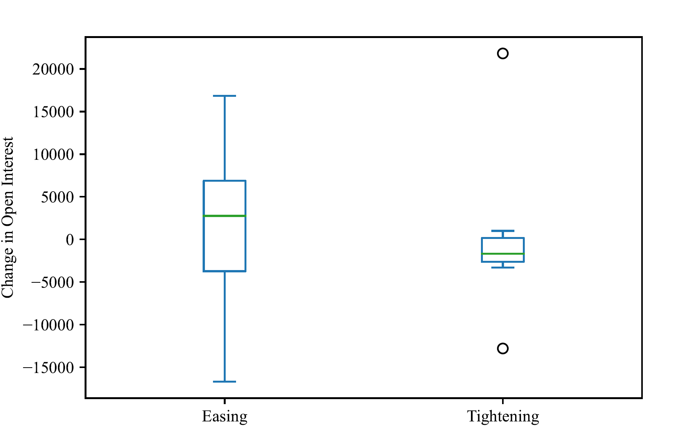
2009-08-25 | 348676 | 369730
2009-09-01 | 348475 | 361520
2009-09-08 | 343961 | 362578
2009-09-15 | 358849 | 377553
2009-09-22 | 344817 | 367947
2009-09-29 | 348304 | 349623
2009-10-06 | 354485 | 369577
2009-10-13 | 337412 | 348387
2009-10-20 | 310463 | 334956
2009-10-27 | 327151 | 348997
2009-11-03 | 338009 | 351706
2009-11-09 | 347940 | 361736
2009-11-17 | 362608 | 376330
2009-11-24 | 340127 | 342836
2009-12-01 | 351988 | 346593
2009-12-08 | 381318 | 384705
2009-12-15 | 368753 | 394234
2009-12-22 | 356069 | 382112
2009-12-29 | 354058 | 384618
2010-01-05 | 365441 | 389384
2010-01-12 | 373907 | 390342
2010-01-19 | 358721 | 371583
2010-01-26 | 356120 | 363859
2010-02-02 | 349251 | 358812
2010-02-09 | 350726 | 356146
2010-02-16 | 351757 | 366126
2010-02-23 | 331616 | 346843
2010-03-02 | 333927 | 351092
2010-03-09 | 346255 | 359200
2010-03-16 | 356012 | 360614
2010-03-23 | 344095 | 352748
2010-03-30 | 358035 | 366037
2010-04-06 | 353811 | 365873
2010-04-13 | 347415 | 371098
2010-04-20 | 342996 | 363649
2010-04-27 | 357901 | 378855
2010-05-04 | 375584 | 400241
2010-05-11 | 367106 | 387099
2010-05-18 | 353805 | 375271
2010-05-25 | 346652 | 374588
2010-06-01 | 336678 | 370636
2010-06-08 | 324399 | 352744
2010-06-15 | 327917 | 368653
2010-06-22 | 329502 | 356803
2010-06-29 | 324444 | 343428
2010-07-06 | 331591 | 339934
2010-07-13 | 326976 | 348815
2010-07-20 | 312663 | 331691
2010-07-27 | 323590 | 349736
2010-08-03 | 324364 | 353718
...

Figure 5
Report_Date_as_YYYY_MM_DD | NonComm_Positions_Long_All | NonComm_Positions_Short_All
2009-07-28 | 48865 | 40919
2009-08-04 | 50469 | 38280
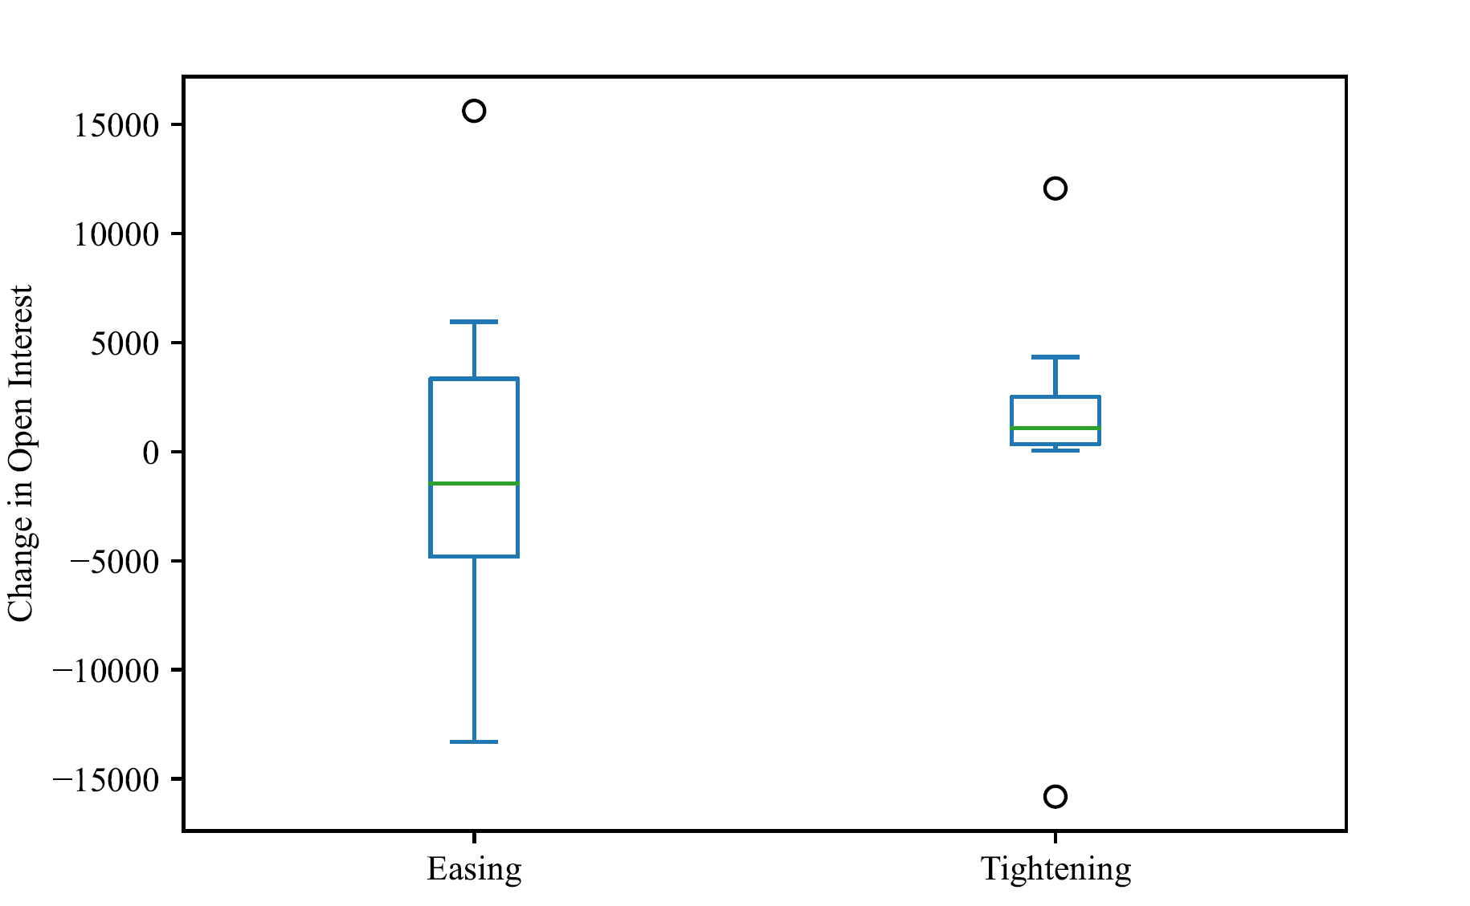
2009-08-11 | 48714 | 37778
2009-08-18 | 48300 | 36908
2009-08-25 | 48016 | 26013
2009-09-01 | 43228 | 29655
2009-09-08 | 47479 | 26700
2009-09-15 | 46297 | 27146
2009-09-22 | 47098 | 26343
2009-09-29 | 38860 | 33917
2009-10-06 | 47010 | 32022
2009-10-13 | 44074 | 32113
2009-10-20 | 52839 | 31920
2009-10-27 | 53848 | 31540
2009-11-03 | 44847 | 29772
2009-11-09 | 48107 | 31125
2009-11-17 | 50342 | 35665
2009-11-24 | 38565 | 37094
2009-12-01 | 37770 | 44048
2009-12-08 | 35750 | 32650
2009-12-15 | 45960 | 21708
2009-12-22 | 45897 | 23213
2009-12-29 | 51167 | 20064
2010-01-05 | 48129 | 24345
2010-01-12 | 47410 | 29134
2010-01-19 | 45787 | 31003
2010-01-26 | 40166 | 28202
2010-02-02 | 39403 | 29485
2010-02-09 | 38263 | 27071
2010-02-16 | 40557 | 27381
2010-02-23 | 44435 | 26124
2010-03-02 | 44955 | 24892
2010-03-09 | 40702 | 25924
2010-03-16 | 34067 | 27757
2010-03-23 | 34703 | 26119
2010-03-30 | 32301 | 23986
2010-04-06 | 39230 | 25557
2010-04-13 | 41476 | 18462
2010-04-20 | 37509 | 16950
2010-04-27 | 33171 | 13128
2010-05-04 | 37117 | 14129
2010-05-11 | 32654 | 13913
2010-05-18 | 43457 | 24064
2010-05-25 | 47625 | 19500
2010-06-01 | 48481 | 15945
2010-06-08 | 44703 | 16593
2010-06-15 | 46569 | 6168
2010-06-22 | 39333 | 11172
2010-06-29 | 35625 | 14409
2010-07-06 | 34880 | 24170
...

